Fig 8
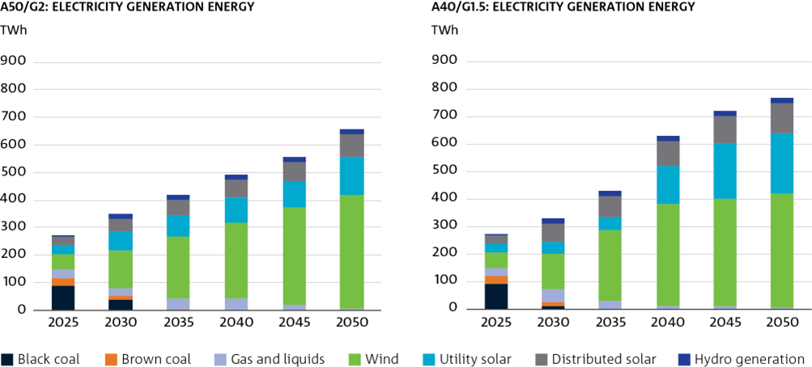
Figure 8 Electricity generation (TWh) by generation type

TWh |  |  |  |  |  |  | TWh
A50/G2: Electricity Generation Energy |  |  |  |  |  |  | A40/G1.5: Electricity Generation Energy

 | 2025 | 2030 | 2035 | 2040 | 2045 | 2050 |  | 2025 | 2030 | 2035 | 2040 | 2045 | 2050
Black Coal | 88.86756944 | 40.58987102 | 0 | 0 | 0 | 0 | Black Coal | 88.86756944 | 11.01388388 | 0 | 0 | 0 | 0
Brown Coal | 29.55624001 | 10.54700773 | 0.374226406 | 0 | 0 | 0 | Brown Coal | 29.55624001 | 13.15653254 | 0 | 0 | 0 | 0
Gas and liquids | 29.14143107 | 28.99406302 | 43.73107218 | 41.43303429 | 19.97726656 | 6.777648339 | Gas and liquids | 29.14143107 | 46.32279986 | 29.234388 | 8.742479401 | 7.848016921 | 5.031864276
Wind | 56.88076336 | 139.4050082 | 224.3096626 | 278.9202512 | 351.9365517 | 410.2149182 | Wind | 56.88076336 | 127.7634486 | 258.764497 | 374.3359717 | 393.1736388 | 415.3412367
Utility Solar | 32.94243758 | 68.76978532 | 78.98470907 | 89.0146971 | 97.73503517 | 139.2520211 | Utility Solar | 32.94243758 | 43.11065604 | 47.73494523 | 134.936632 | 197.2160454 | 216.6811493
Distributed Solar | 31.38479962 | 42.58778127 | 53.19722213 | 63.05342978 | 69.51942785 | 82.1128292 | Distributed Solar | 31.38479962 | 67.37444433 | 74.32793855 | 90.62770346 | 99.784484 | 110.6493607
Hydro Generation | 3.548951507 | 20.58638396 | 19.74284081 | 19.23783938 | 19.61888453 | 19.58880888 | Hydro Generation | 3.548951507 | 20.58638128 | 20.47595168 | 19.60197591 | 19.73073606 | 19.5489345
sum | 272.32219259 | 351.47990052 | 420.3397332 | 491.65925175 | 558.78716581 | 657.94622572 | sum | 272.32219259 | 329.32814653 | 430.53772046 | 628.24476247 | 717.75292118 | 767.25254548
per cent renewable | 0.45812260426 | 0.77201842367 | 0.89507225917 | 0.91572815086 | 0.96424888082 | 0.98969878073 | per cent renewable | 0.45812260426 | 0.78594840124 | 0.93209796352 | 0.9860842781 | 0.98906585165 | 0.99344171055

Fig 9
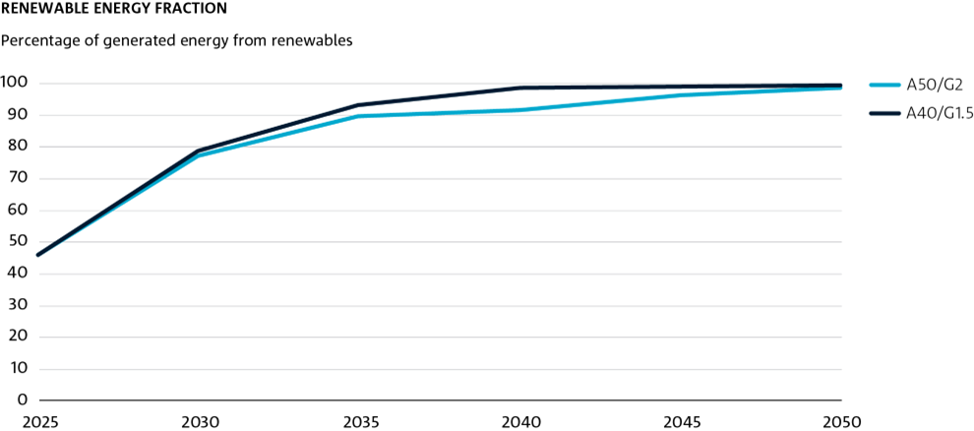
Figure 9 Renewable energy fraction of generation

Percentage of generated energy from renewables
Renewable Energy Fraction

 | 2025 | 2030 | 2035 | 2040 | 2045 | 2050
A50/G2 | 45.812260426 | 77.201842363 | 89.507225919 | 91.572815086 | 96.262948321 | 98.79633727
A40/G1.5 | 45.812260426 | 78.594840122 | 93.209796352 | 98.60842781 | 98.906585165 | 99.344171055

Fig 10
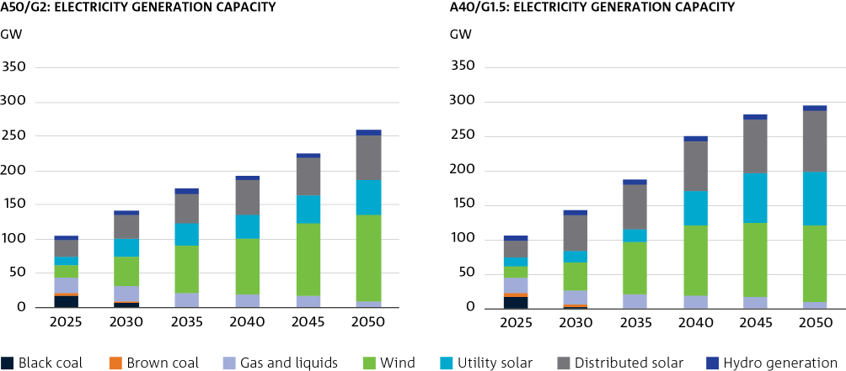
Figure 10 Electricity generation capacity (GW) mix

 | GW |  |  |  |  |  |  | GW
 | A50/G2: Electricity Generation Capacity |  |  |  |  |  |  | A40/G1.5: Electricity Generation Capacity

 | 2025 | 2030 | 2035 | 2040 | 2045 | 2050 |  | 2025 | 2030 | 2035 | 2040 | 2045 | 2050
Black Coal | 17.07572107 | 7.9278795858 | 1.8735013541E-16 | 6.2450045135E-17 | -5.5511151231E-17 | -3.469446952E-18 | Black Coal | 16.738746482 | 2.5827337344 | 1.6653345369E-16 | -2.8449465006E-16 | -3.469446952E-18 | 3.469446952E-18
Brown Coal | 4.8200000004 | 1.7199947378 | 0.073234272704 | 5.7513177998E-08 | 1.9729024303E-08 | 1.6954932399E-08 | Brown Coal | 4.8200000004 | 2.225 | 4.4845013036E-07 | 0 | 0 | 0
Gas and liquids | 22.054425858 | 21.89905601 | 20.865962828 | 19.024959238 | 16.406425625 | 9.5944826192 | Gas and liquids | 22.054425858 | 21.899056244 | 20.445174305 | 18.508356891 | 15.889819307 | 9.0778630696
Wind | 17.321780267 | 43.561681756 | 68.851679552 | 81.78043241 | 107.16957881 | 124.93016732 | Wind | 17.321780267 | 39.644091772 | 76.139434679 | 102.0033498 | 107.45643339 | 111.59926206
Utility Solar | 12.737453019 | 26.41496935 | 34.180511468 | 35.481640676 | 39.765983812 | 52.213370637 | Utility Solar | 12.737453019 | 16.516901881 | 18.631499514 | 50.030940074 | 72.329000397 | 78.477697225
Distributed Solar | 24.50184 | 33.432635 | 41.833953 | 49.666251 | 55.40672 | 64.781028 | Distributed Solar | 24.50184 | 53.120481 | 64.648541 | 71.547665 | 78.754721 | 87.31071
Hydro Generation | 7.2224333787 | 7.3311 | 7.3311 | 7.2411 | 7.2411 | 7.2411 | Hydro Generation | 7.2224333787 | 7.3311 | 7.3311 | 7.2411 | 7.2411 | 7.2411

Fig 11
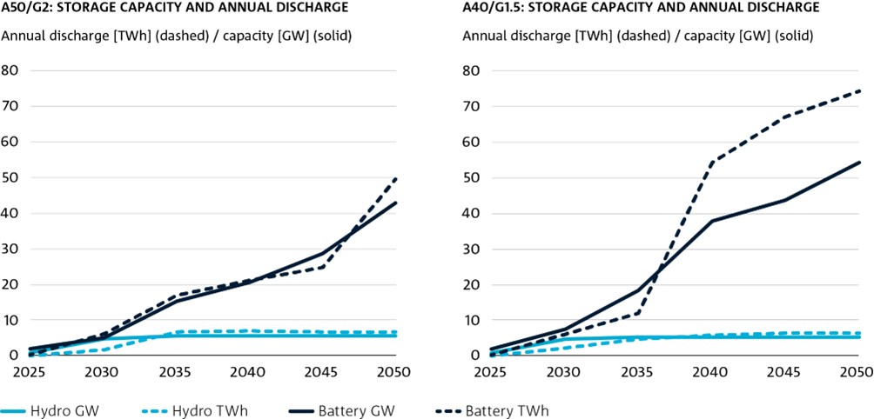
Figure 11 Utility-scale storage capacity over time in TWh and GW

Annual Discharge [TWh] (dashed) / Capacity [GW] (solid) |  |  |  |  |  |  | Annual Discharge [TWh] (dashed) / Capacity [GW] (solid)
A50/G2: Storage Capacity and Annual Discharge |  |  |  |  |  |  | A40/G1.5: Storage Capacity and Annual Discharge

 | 2025 | 2030 | 2035 | 2040 | 2045 | 2050 |  | 2025 | 2030 | 2035 | 2040 | 2045 | 2050
Hydro GW | 0.72 | 4.7899922447 | 5.4958786835 | 5.5333143677 | 5.5333143884 | 5.5333144875 | Hydro GW | 0.72 | 4.7899922293 | 5.3658534471 | 5.3658534471 | 5.3658544711 | 5.3658545151
Battery GW | 1.7849358484 | 5.1015667999 | 15.151889868 | 20.5785657 | 28.714636923 | 42.878825358 | Battery GW | 1.7849358484 | 7.4991729316 | 18.397467112 | 37.844297698 | 43.609799229 | 54.269186569
Hydro TWh | 0 | 1.6295560287 | 6.6902164789 | 6.7835017393 | 6.6384512601 | 6.7293050121 | Hydro TWh | 0 | 2.2220851229 | 4.5981475613 | 5.9042816764 | 6.4020318519 | 6.2416900784
Battery TWh | 0.23837742064 | 6.0542784668 | 16.978709403 | 21.112207359 | 24.696462164 | 49.435690649 | Battery TWh | 0.23837742064 | 5.9702097698 | 11.992121954 | 54.339783644 | 67.202479557 | 74.309237058

Fig 12
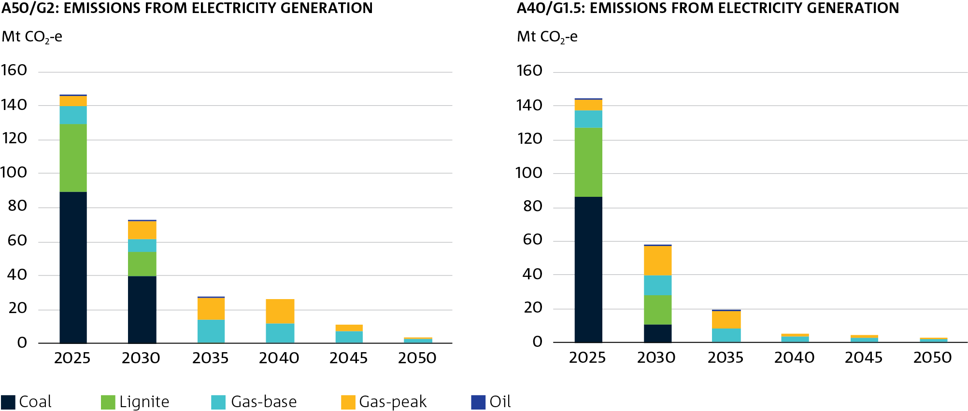
Figure 12 Emissions from the electricity and energy generation sector

Mt CO2-e |  |  |  |  |  |  | Mt CO2-e
A50/G2: Emissions from Electricity Generation |  |  |  |  |  |  | A40/G1.5: Emissions from Electricity Generation

 | 2025 | 2030 | 2035 | 2040 | 2045 | 2050 |  | 2025 | 2030 | 2035 | 2040 | 2045 | 2050
Coal | 89.090671282 | 39.77604572 | 0 | 0 | 0 | 0 | Coal | 86.478205977 | 10.770432786 | 0 | 0 | 0 | 0
Lignite | 40.523099884 | 13.935701489 | 0.49446331944 | 2.138777672E-07 | 0 | 0 | Lignite | 40.523099884 | 17.383651892 | 2.9016243534E-06 | 0 | 0 | 0
Gas-base | 10.220322309 | 7.9937411733 | 13.332867874 | 11.935898405 | 7.6401350528 | 3.0046515688 | Gas-base | 10.220322309 | 12.014186928 | 8.1120175703 | 4.0011467764 | 3.3517586737 | 2.2459885262
Gas-peak | 6.3238775165 | 10.681167685 | 13.347280476 | 14.095110111 | 3.5213256008 | 0.58928071017 | Gas-peak | 6.3238775165 | 17.11766536 | 10.244967425 | 0.94156316907 | 0.94487821694 | 0.46197852797
Oil | 0.020143663859 | 0.014403421568 | 0.0022663367071 | 0 | 0 | 0 | Oil | 0.020143663859 | 0.014403137412 | 0.0022663724914 | 0 | 0 | 0
sum | 146.17811465 | 72.401059489 | 27.176878005 | 26.03100873 | 11.161460654 | 3.593932279 | sum | 143.56564935 | 57.300340104 | 18.359254269 | 4.9427099455 | 4.2966368906 | 2.7079670542

Fig 13
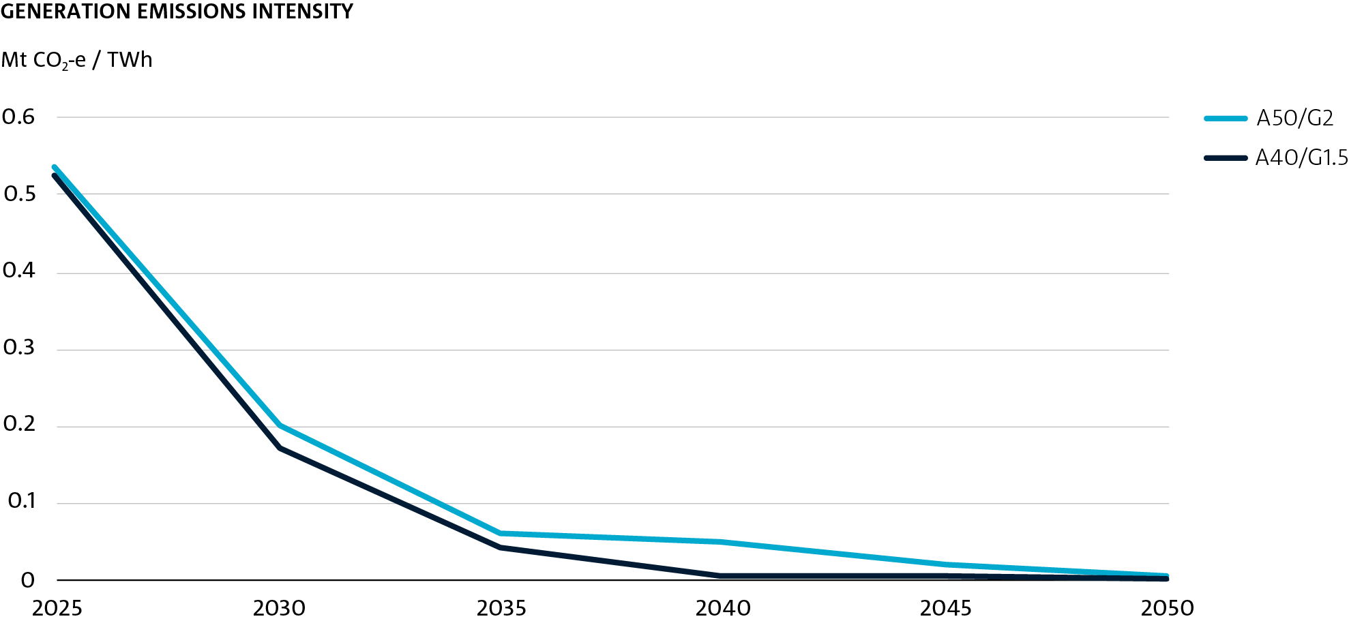
Figure 13 Emissions intensity of generation over time

Mt CO2-e / TWh
Generation Emissions Intensity

 | 2025 | 2030 | 2035 | 2040 | 2045 | 2050
A50/G2 | 0.5363142389 | 0.20158232148 | 0.061207992332 | 0.050102517545 | 0.019240999296 | 0.0053875692563
A40/G1.5 | 0.52672934074 | 0.16976850311 | 0.041060401396 | 0.0071790720685 | 0.0054294537315 | 0.0031941004704

Fig 14
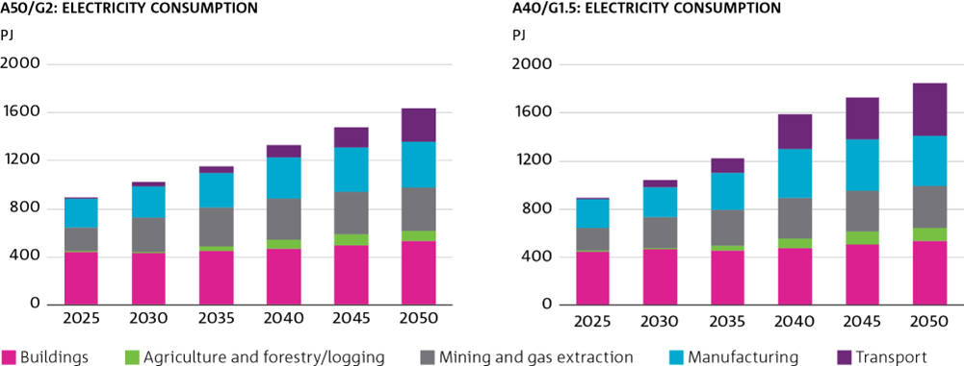
Figure 14 Electricity consumption by sector

PJ |  |  |  |  |  |  | PJ
A50/G2: Electricity Consumption |  |  |  |  |  |  | A40/G1.5: Electricity Consumption

 | 2025 | 2030 | 2035 | 2040 | 2045 | 2050 |  | 2025 | 2030 | 2035 | 2040 | 2045 | 2050
Buildings | 441.31509992 | 429.23765127 | 448.03750781 | 470.94405509 | 494.53171625 | 527.06100354 | Buildings | 441.31509992 | 459.39711437 | 453.67576863 | 476.53487646 | 508.77289906 | 538.63299826
Agriculture and forestry/logging | 7.9805082634 | 8.3686371516 | 36.664942741 | 73.727000431 | 95.857001852 | 89.655049884 | Agriculture and forestry/logging | 7.9805082634 | 13.904372768 | 45.234142782 | 80.930927012 | 109.70296978 | 105.8978381
Mining and gas extraction | 189.96792085 | 293.40285845 | 323.21596593 | 337.81525141 | 351.85647843 | 363.20287664 | Mining and gas extraction | 189.96792085 | 256.48242389 | 292.60942047 | 336.38313361 | 337.55669288 | 345.68276546
Manufacturing | 240.74823535 | 257.2140704 | 285.72659761 | 342.06026261 | 366.41178021 | 377.20881381 | Manufacturing | 240.74823535 | 257.29689069 | 311.53509941 | 411.59465526 | 427.04947839 | 423.90083824
Transport | 14.9385309 | 32.43662445 | 58.842404361 | 101.61024775 | 172.97460776 | 282.97922461 | Transport | 14.9385309 | 50.308482952 | 122.96374304 | 281.66031167 | 349.57218671 | 433.81383114

Fig 15
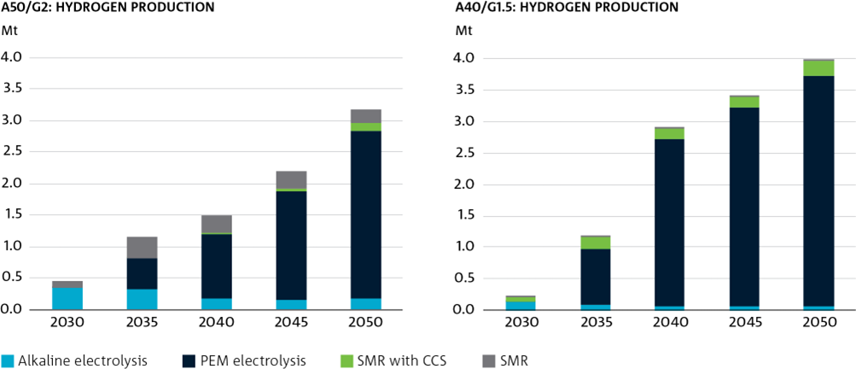
Figure 15 Hydrogen production by technology

Mt |  |  |  |  |  | Mt
A40/G1.5: Hydrogen Production |  |  |  |  |  | A50/G2: Hydrogen Production

 | 2030 | 2035 | 2040 | 2045 | 2050 |  | 2030 | 2035 | 2040 | 2045 | 2050
Alkaline Electrolysis | 0.13141724276 | 0.082438393612 | 0.064344129749 | 0.06337495254 | 0.059591269708 | Alkaline Electrolysis | 0.34015973169 | 0.32387406458 | 0.19001649693 | 0.16341964033 | 0.17012541107
PEM electrolysis | 0.0090019602231 | 0.88597497504 | 2.6540753326 | 3.1762146411 | 3.6678302936 | PEM electrolysis | 0.0024722311398 | 0.50364644271 | 1.0216983517 | 1.7092510264 | 2.6642582006
SMR w CCS | 0.074309591955 | 0.20299594196 | 0.16602628631 | 0.1573607469 | 0.25573000889 | SMR w CCS | 0 | 5.8180321065E-07 | 0.0079437927143 | 0.057821519027 | 0.12549291446
SMR | 0.0010225079236 | 0.0010224942375 | 0.00076682933239 | 0.0007313390787 | 0.00046364716653 | SMR | 0.11867280202 | 0.33180021837 | 0.28526734378 | 0.26651226368 | 0.22281239629

Fig 16
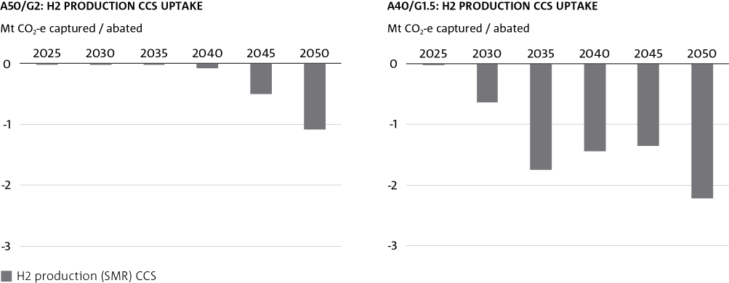
Figure 16 CCS uptake in H2 production

Mt CO2-e Captured / Abated |  |  |  |  |  |  |  | Mt CO2-e Captured / Abated
A50/G2: H2 Production CCS Uptake |  |  |  |  |  |  |  | A40/G1.5: H2 Production CCS Uptake

 | 2025 | 2030 | 2035 | 2040 | 2045 | 2050 |  | 2025 | 2030 | 2035 | 2040 | 2045 | 2050
H2 Production (Coal) CCS | -5.2282014395E-07 | -2.332162298E-06 | -3.095256542E-06 | -3.4690230222E-06 | -4.3809615796E-06 | -5.4648161465E-06 | H2 Production (Coal) CCS | -5.2282014395E-07 | -2.4943172321E-06 | -2.9808099724E-06 | -2.2430212606E-06 | -3.35938085E-06 | -4.0758285309E-06
H2 Production (SMR) CCS | -4.4023658878E-06 | -1.100771336E-05 | -2.180724493E-05 | -0.068736904812 | -0.50017822979 | -1.0855348323 | H2 Production (SMR) CCS | -4.4023658878E-06 | -0.64278109762 | -1.7559088565 | -1.4361278204 | -1.3611748845 | -2.2120654249

Fig 17
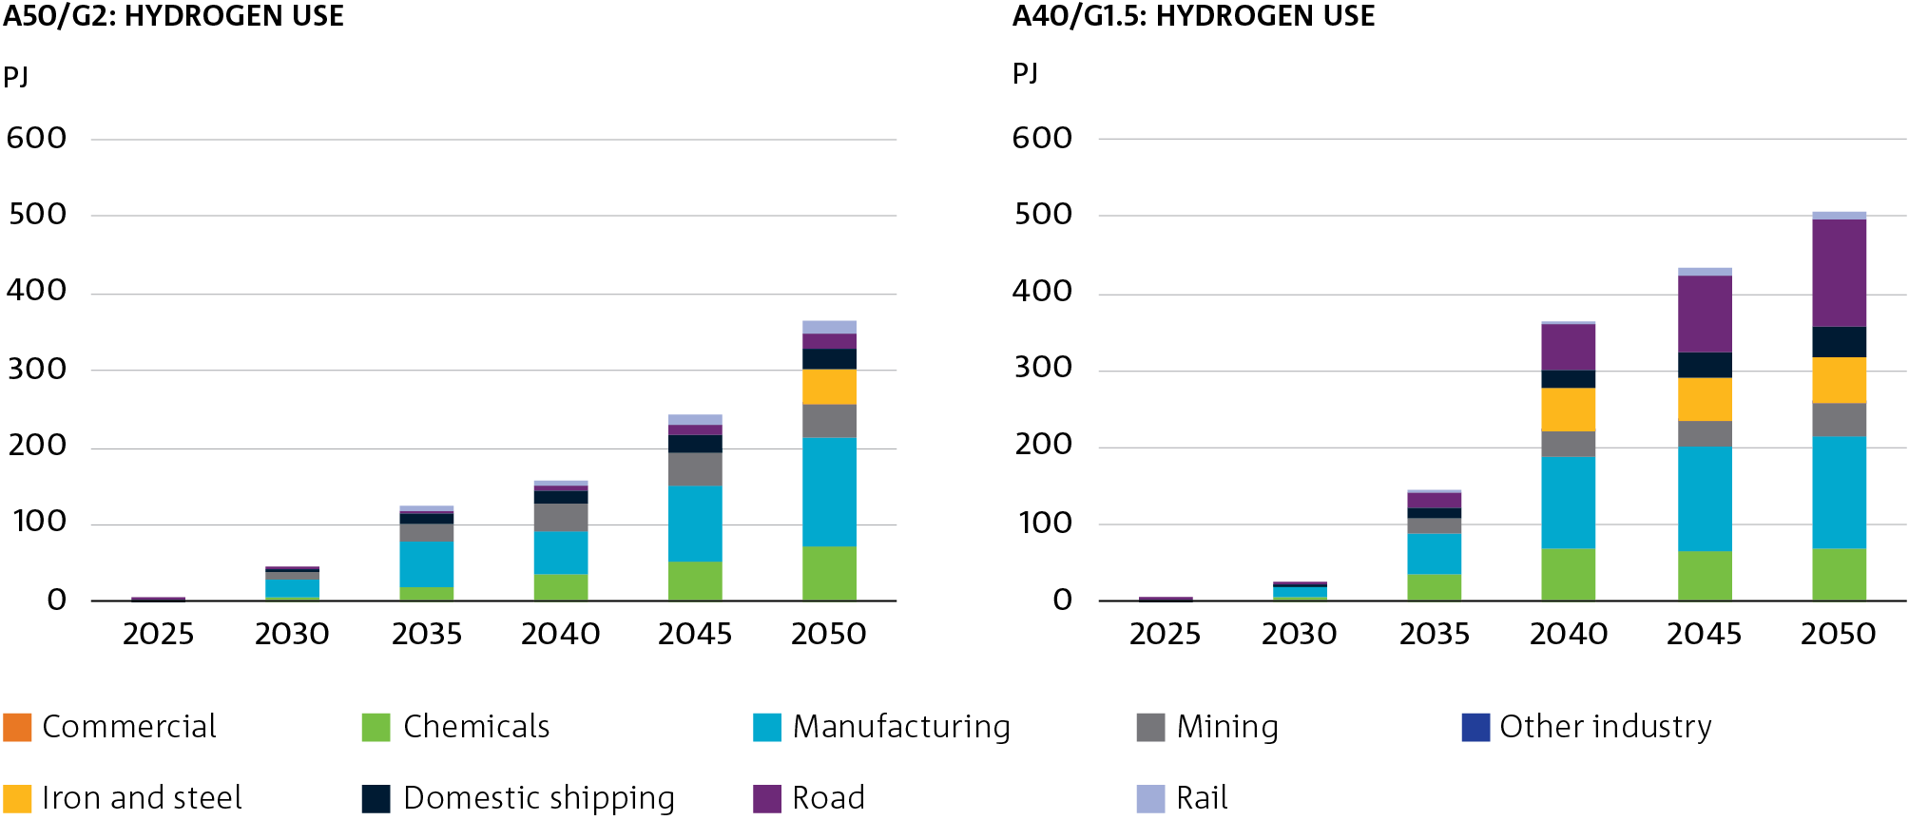
Figure 17 Hydrogen consumption by sector

PJ |  |  |  |  |  |  | PJ
A50/G2: Hydrogen Use |  |  |  |  |  |  | A40/G1.5: Hydrogen Use

 | 2025 | 2030 | 2035 | 2040 | 2045 | 2050 |  | 2025 | 2030 | 2035 | 2040 | 2045 | 2050
Commercial | 0 | 0.26274503261 | 0.26274509532 | 0.39301543022 | 0.39301548385 | 0.39301537561 | Commercial | 0 | 0.20052404714 | 0.39204083432 | 0.39204111394 | 0.39204113359 | 0.39204102566
Chemicals | 0 | 5.7935334531 | 19.23287039 | 33.845328701 | 52.627649434 | 69.899148686 | Chemicals | 0 | 5.8595356691 | 34.047356254 | 67.083442964 | 65.7914499 | 67.876952207
Manufacturing | 0 | 23.841911368 | 59.06276377 | 58.633738362 | 98.671162069 | 141.56309576 | Manufacturing | 0 | 12.114158417 | 53.229180548 | 121.79290866 | 134.03254121 | 146.48656295
Mining | 0 | 8.1843994303 | 24.108593851 | 34.069789785 | 42.146056914 | 45.52073531 | Mining | 0 | 0.23545726091 | 22.1102154 | 32.179128881 | 33.568278682 | 42.748855367
Other Industry | 0 | 0 | 0 | 0.00010420963491 | 0.068671575548 | 0.092816968099 | Other Industry | 0 | 0 | 0 | 0.35250298077 | 0.2640666181 | 0.20045193473
Iron and Steel | 0 | -1.3799606542E-06 | 0 | 0 | 1.0398861656 | 45.534743576 | Iron and Steel | 0 | -0.00010142339133 | -2.4677710034E-06 | 54.988516514 | 56.807490458 | 58.958974185
Domestic Shipping | 2.289795431 | 4.7983269421 | 11.447331731 | 17.547907817 | 22.037147162 | 24.833716523 | Domestic Shipping | 2.289795431 | 4.5453186308 | 11.94102455 | 23.90529675 | 34.202037446 | 41.49256408
Road | 0.37652994985 | 3.2422471172 | 5.4025495881 | 6.5318698842 | 13.023746926 | 19.504705968 | Road | 0.37652994985 | 0.19290524914 | 19.5115232 | 59.402834335 | 99.390845191 | 139.42791369
Rail | 0 | 0 | 3.5850397849 | 7.8576540504 | 12.803195223 | 18.41786558 | Rail | 0 | 0 | 0.0019144209598 | 5.207083509 | 7.5450390641 | 9.69501021

Fig 18
Figure 18 Industry output aggregated over for the majority of (all increasing) industry subsectors in energy terms10

PJ
Industry output for increasing subsectors

 | 2020 | 2025 | 2030 | 2035 | 2040 | 2045 | 2050
A50/2 | 1152.3201676 | 1397.4370329 | 1649.8285499 | 1902.2200668 | 2154.6115839 | 2407.0031009 | 2659.3946177
A40/1.5 | 1152.3201676 | 1397.4370329 | 1653.3371321 | 1907.6778612 | 2162.0185906 | 2416.3593198 | 2670.7000491
Iron & Steel (A50/2) | 5.3170000036 | 6.2105382792 | 7.3274610926 | 8.4443839154 | 9.561306336 | 10.678229584 | 11.795151705
Iron and Steel (A40/1.5) | 5.3170000036 | 6.2105382792 | 8.3913702899 | 10.099353492 | 11.80733652 | 13.51531955 | 15.223303375

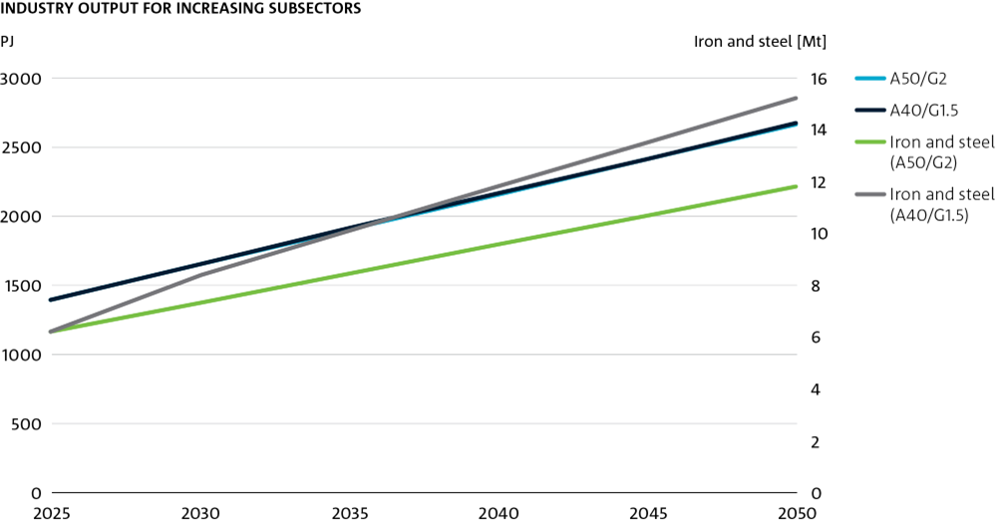

[10] In AusTIMES, the output over time of most industries is represented as the energy consumed by that industry to produce a given output. The factor which maps output to energy consumed is determined at the base year (here 2021) and is constant for future years such that explicit energy efficiency uptake in future years produce energy to meet this projected base year energy demand. The one exception is the Iron and Steel sector which is represented in Mt units (hence it being represented separately in the above chart).

Fig 19
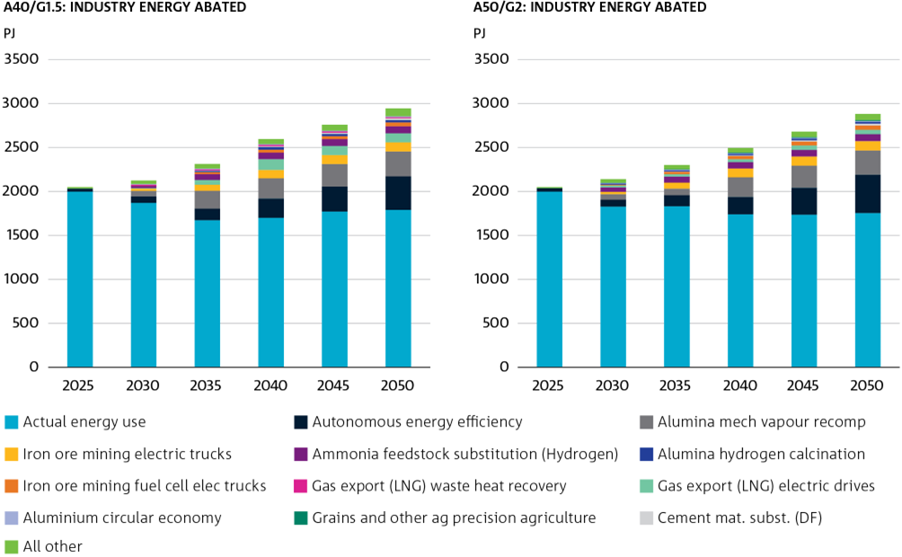
Figure 19 Industry energy abated compared to counterfactual energy efficiency

PJ |  |  |  |  |  |  | PJ
A50/G2: Industry energy abated |  |  |  |  |  |  | A40/G1.5: Industry energy abated

 | 2025 | 2030 | 2035 | 2040 | 2045 | 2050 |  | 2025 | 2030 | 2035 | 2040 | 2045 | 2050
Actual Energy Use | 1999.2327348 | 1827.0734821 | 1830.8999384 | 1739.4215287 | 1736.4469092 | 1755.2517315 | Actual Energy Use | 1999.2327348 | 1868.2582635 | 1672.0467431 | 1699.746425 | 1771.3687706 | 1789.905556
Autonomous Energy Efficiency | 37.22174234 | 79.378498128 | 125.79123104 | 195.7770944 | 305.66351867 | 434.29597566 | Autonomous Energy Efficiency | 32.766516592 | 75.431292601 | 131.22020283 | 220.30037289 | 283.44552807 | 382.63861036
Alumina Mech Vapour Recomp | 0 | 62.054512447 | 75.977749252 | 226.85121721 | 251.34935054 | 275.50118862 | Alumina Mech Vapour Recomp | 0 | 62.631325448 | 204.58165399 | 230.33391706 | 255.71627757 | 280.73966459
Iron Ore Mining Electric Trucks | 0 | 25.379999928 | 67.679999722 | 99.641882762 | 104.37394015 | 106.65334029 | Iron Ore Mining Electric Trucks | 0 | 25.379999732 | 67.679999544 | 94.558616094 | 103.20044621 | 105.22807473
Ammonia Feedstock Substitution (Hydrogen) | 0 | 51.092047014 | 67.455875583 | 72.037148021 | 73.992524444 | 80.075744024 | Gas Export (LNG) Electric Drives | 0 | 8.021948053 | 55.674409993 | 121.56102537 | 103.32687191 | 103.32687212
Gas Export (LNG) Electric Drives | 0 | 22.910546786 | 29.219665757 | 32.511561264 | 50.734503185 | 49.607336582 | Ammonia Feedstock Substitution (Hydrogen) | 0 | 24.103809391 | 65.724461678 | 74.083209314 | 76.603681771 | 78.472867435
Iron Ore Mining Fuel Cell Elec Trucks | 0 | 8.4599988488 | 25.37999964 | 35.885825682 | 44.484999901 | 48.337183066 | Iron Ore Mining Fuel Cell Elec Trucks | 0 | 0.25192623253 | 23.24295557 | 33.835556721 | 34.905886704 | 44.927603062
Cement Mat. Subst. (DF) | 0 | 0 | 3.8766742124 | 8.6875649486 | 14.425167233 | 21.13551412 | Alumina Hydrogen Calcination | 0 | 0 | 14.058659913 | 30.087811571 | 25.574640748 | 25.574640944
Alumina Hydrogen Calcination | 0 | 11.841438776 | 13.880994165 | 15.547911555 | 20.089517029 | 18.783254035 | Cement Mat. Subst. (DF) | 0 | 0 | 3.8262023794 | 8.2838757425 | 13.39648634 | 20.291832543
Aluminium Circular Economy | 0 | 7.7591826422 | 8.8045597946 | 9.8223462386 | 10.831052929 | 11.822582029 | Gas Export (LNG) Waste Heat Recovery | 0 | 12.780460116 | 12.738154636 | 16.079500651 | 13.419073515 | 13.419074027
Grains and Other Ag Precision Agriculture | 1.0174631992 | 2.6366309511 | 4.0259229427 | 5.5493725254 | 5.6942172496 | 10.138240604 | Aluminium Circular Economy | 0 | 7.8311613618 | 8.9155473664 | 9.9715225184 | 11.017867877 | 12.046394702
All Other | 11.243990602 | 42.077508811 | 45.795248827 | 52.181723088 | 61.867520169 | 68.377917511 | All Other | 16.716679549 | 38.312795449 | 52.422195562 | 54.052740118 | 65.752683521 | 88.1044969

Fig 20
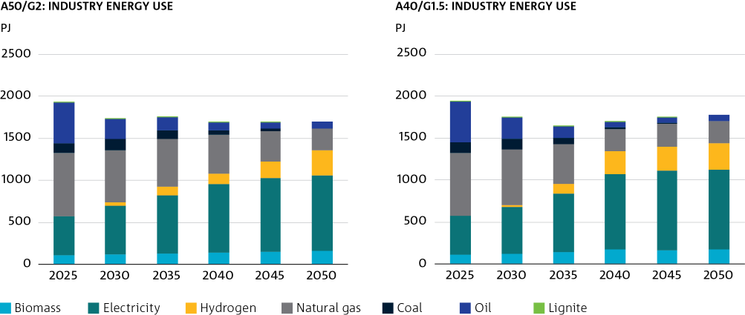
Figure 20 Industry energy use by fuel type

PJ |  |  |  |  |  |  | PJ
A50/G2: Industry Energy Use |  |  |  |  |  |  | A40/G1.5: Industry Energy Use

 | 2025 | 2030 | 2035 | 2040 | 2045 | 2050 |  | 2025 | 2030 | 2035 | 2040 | 2045 | 2050
Biomass | 107.00922574 | 116.41510715 | 130.41661855 | 141.92818979 | 150.78090848 | 157.67144506 | Biomass | 107.00922574 | 123.89456769 | 141.29852742 | 180.33670532 | 167.7096926 | 177.85350941
Electricity | 463.35947164 | 585.3179309 | 690.18135881 | 812.18081581 | 878.09154677 | 897.19920862 | Electricity | 463.35947164 | 557.80195672 | 697.95168417 | 889.51143753 | 940.44957776 | 947.87729537
Hydrogen | 0 | 37.819842872 | 102.40422801 | 126.55265322 | 194.57418926 | 302.64296051 | Hydrogen | 0 | 18.209049924 | 109.38674973 | 276.48810816 | 290.53717174 | 316.3434813
Natural gas | 753.83990664 | 622.00601317 | 567.79860298 | 463.4653166 | 366.16699713 | 261.84255938 | Natural gas | 753.83990664 | 661.42066153 | 475.23117988 | 260.26440747 | 270.0594293 | 261.95770397
Coal | 119.1505927 | 129.97925289 | 109.41569746 | 54.099955903 | 26.965573335 | 0 | Coal | 119.1505927 | 132.5781539 | 75.384641824 | 18.19305007 | 11.23864433 | 0
Oil | 485.47672486 | 238.64665128 | 150.01519664 | 93.956709553 | 72.201510701 | 81.880328603 | Oil | 485.47672486 | 252.75686084 | 139.39625823 | 61.26792575 | 61.620256652 | 72.622600556
Lignite | 4.6756795251 | 5.2853370982 | 4.3970409169 | 3.1923953542 | 1.7099394715 | 0 | Lignite | 4.6756795251 | 5.2670268847 | 4.3779671272 | 0.54638622485 | 1.4727216333 | 0

Fig 21
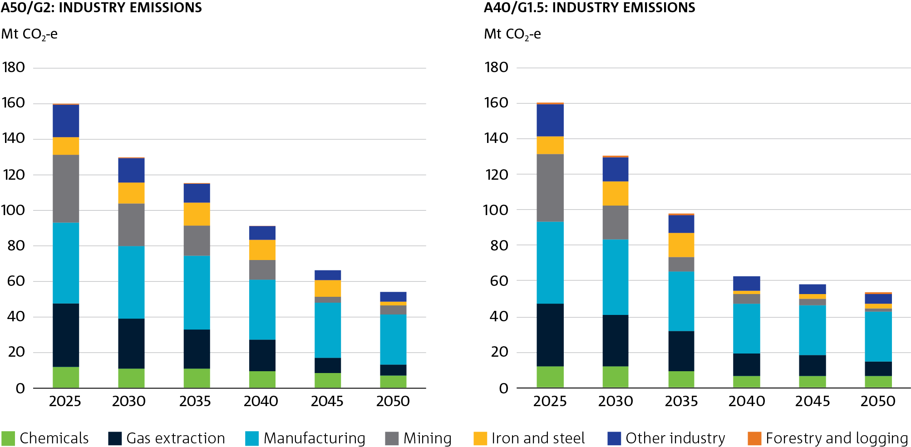
Figure 21 Industry emissions by subsector

Mt CO2-e |  |  |  |  |  |  | Mt CO2-e
A50/G2: Industry Emissions |  |  |  |  |  |  | A40/G1.5: Industry Emissions

 | 2025 | 2030 | 2035 | 2040 | 2045 | 2050 |  | 2025 | 2030 | 2035 | 2040 | 2045 | 2050
Chemicals | 12.016551302 | 11.030405174 | 11.055563833 | 9.5772523722 | 8.5550571225 | 7.226958455 | Chemicals | 12.016551302 | 11.594469142 | 9.4445168423 | 6.3339902111 | 6.8243625675 | 6.7933876011
Gas extraction | 35.666106346 | 28.118792332 | 21.965488856 | 17.754767439 | 8.6148899635 | 6.0718571764 | Gas extraction | 35.666106346 | 29.523808303 | 22.412309289 | 13.275767922 | 11.466230656 | 8.1526171279
Manufacturing | 45.417484585 | 40.753347453 | 41.535209116 | 33.738297251 | 30.983912819 | 28.175651467 | Manufacturing | 45.417484585 | 41.969770969 | 33.395173415 | 27.52378803 | 28.212546412 | 28.011764616
Mining | 38.177682805 | 23.966018481 | 16.911482332 | 11.054114841 | 3.264674646 | 5.1276105988 | Mining | 38.177682805 | 18.997421514 | 8.3085238187 | 5.5071907174 | 3.6306531492 | 1.6005815248
Iron and Steel | 9.9346089499 | 11.857261305 | 12.887909604 | 11.317852635 | 9.4169922461 | 2.1115517609 | Iron and Steel | 9.9346089499 | 13.734303335 | 13.633008674 | 2.0984923771 | 2.4326273251 | 2.7226440712
Other Industry | 18.290515906 | 13.68093915 | 10.694461901 | 7.7078479279 | 5.5052631497 | 5.4285358044 | Other Industry | 18.290515906 | 13.388418346 | 10.237256656 | 7.6167469134 | 5.5649142071 | 5.4329583265
Forestry and logging | 0.45275135206 | 0.43056610587 | 0.23754831745 | 0.027606806363 | 0 | 1.3006509194E-07 | Forestry and logging | 0.45275135206 | 0.36823308779 | 0.10746980067 | 0 | 1.1831198749E-07 | 0.00015211644539

Fig 22
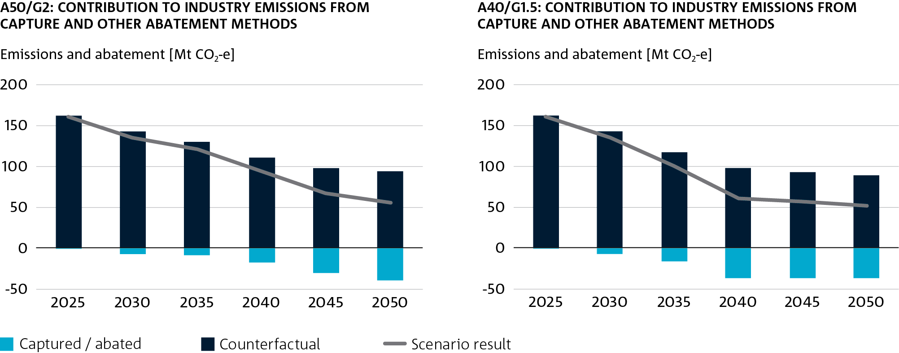
Figure 22 Industry sector abatement technology and process uptake

Emissions and Abatement [Mt CO2-e] |  |  |  |  |  |  | Emissions and Abatement [Mt CO2-e]
A50/G2: Contribution to industry emissions from capture and other abatement methods |  |  |  |  |  |  | A40/G1.5: Contribution to industry emissions from capture and other abatement methods

 | 2025 | 2030 | 2035 | 2040 | 2045 | 2050 |  | 2025 | 2030 | 2035 | 2040 | 2045 | 2050
Captured / Abated | -1.0899726527 | -6.8553729417 | -8.5528183631 | -17.460206901 | -30.49847864 | -38.720297761 | Captured / Abated | -1.0899726527 | -7.8172850771 | -16.40844702 | -36.633815745 | -36.541716404 | -37.643383584
Counterfactual | 161.79532197 | 142.50204236 | 129.45101179 | 110.91651256 | 97.564426003 | 93.91669267 | Counterfactual | 161.79532197 | 142.04574128 | 116.46039756 | 97.263406322 | 92.609953236 | 89.005312526
Scenario Result | 160.70534932 | 135.64666942 | 120.89819343 | 93.456305655 | 67.065947362 | 55.196394909 | Scenario Result | 160.70534932 | 134.2284562 | 100.05195054 | 60.629590577 | 56.068236832 | 51.361928942

Fig 23
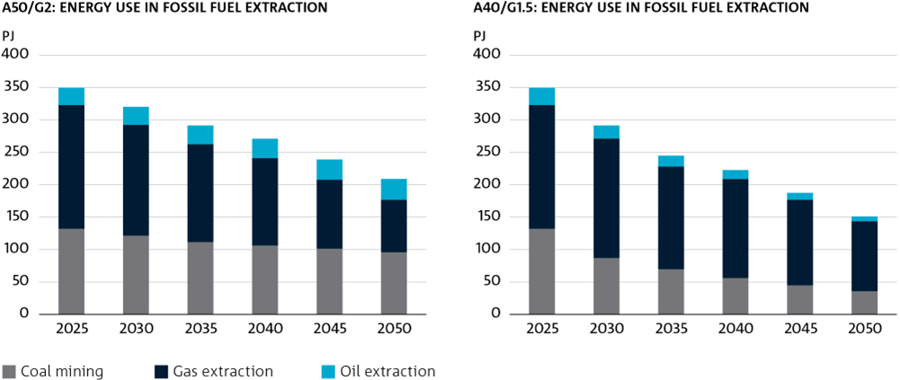
Fig 23 Energy use in fossil fuel extraction

PJ |  |  |  |  |  |  | PJ
A50/G2: Energy Use in Fossil Fuel Extraction |  |  |  |  |  |  | A40/G1.5: Energy Use in Fossil Fuel Extraction

 | 2025 | 2030 | 2035 | 2040 | 2045 | 2050 |  | 2025 | 2030 | 2035 | 2040 | 2045 | 2050
Coal Mining | 132.22816551 | 121.57999102 | 111.61569345 | 106.32207081 | 101.47837609 | 96.039021873 | Coal Mining | 132.22816551 | 87.247085409 | 69.770855492 | 56.191521508 | 44.911569207 | 35.798880145
Gas Extraction | 190.75264833 | 170.90959875 | 151.0141384 | 134.79596807 | 106.35483266 | 80.866050448 | Gas Extraction | 190.75264833 | 184.23668597 | 158.21467735 | 152.92970178 | 132.08453803 | 108.15823809
Oil Extraction | 26.646721195 | 27.741372689 | 28.836024184 | 29.930675678 | 31.025327171 | 32.119978662 | Oil Extraction | 26.646721195 | 20.03369951 | 16.846310349 | 13.658921187 | 10.471532026 | 7.284142865

Fig 24
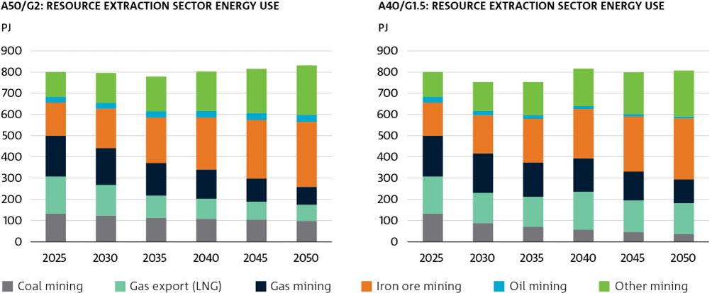
Figure 24 Energy use by resource extraction (mining, gas extraction and export industries)

PJ |  |  |  |  |  |  | PJ
A50/G2: Resource extraction sector energy use |  |  |  |  |  |  | A40/G1.5: Resource extraction sector energy use

 | 2025 | 2030 | 2035 | 2040 | 2045 | 2050 |  | 2025 | 2030 | 2035 | 2040 | 2045 | 2050
Coal mining | 132.89262809 | 122.8080741 | 113.20050394 | 108.3813152 | 103.86732379 | 98.805576688 | Coal mining | 132.89262809 | 88.128368477 | 70.761516116 | 57.279837831 | 45.968852154 | 36.830122924
Gas export (LNG) | 175.50087198 | 146.17251538 | 104.63984134 | 94.951473286 | 85.782655917 | 76.643597108 | Gas export (LNG) | 175.50087198 | 142.80835695 | 142.33563087 | 179.67169621 | 149.82398378 | 146.07309701
Gas mining | 191.71120299 | 172.63633531 | 153.15901061 | 137.4066951 | 108.85857894 | 83.195523202 | Gas mining | 191.71120299 | 186.09802171 | 160.46113236 | 155.89164248 | 135.19399929 | 111.27390346
Iron ore mining | 156.08142552 | 185.82681223 | 215.6552422 | 245.97716037 | 276.32663072 | 307.24139872 | Iron ore mining | 156.08142552 | 179.93676839 | 206.45578052 | 233.42854342 | 260.41085117 | 287.91090508
Oil mining | 26.780622746 | 28.021590029 | 29.245462998 | 30.510369298 | 31.755704721 | 33.045238202 | Oil mining | 26.780622746 | 20.236058949 | 17.085506839 | 13.923464503 | 10.731686253 | 7.9191578688
Other mining | 117.85001251 | 140.41844733 | 163.05046959 | 186.05631143 | 209.08365615 | 232.53931041 | Other mining | 117.85001251 | 135.95863781 | 156.08482659 | 176.55478563 | 197.03258228 | 217.90269225

Fig 25
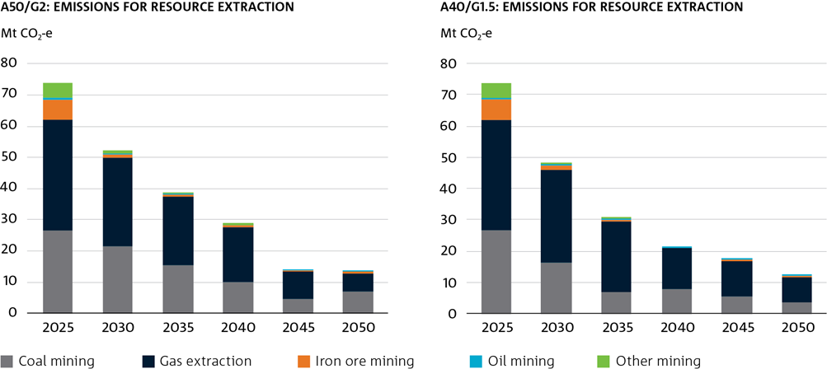
Figure 25 Resource extraction (mining plus gas extraction) emissions

Mt CO2-e |  |  |  |  |  |  | Mt CO2-e
A50/G2: Emissions for Resource Extraction |  |  |  |  |  |  | A40/G1.5: Emissions for Resource Extraction

 | 2025 | 2030 | 2035 | 2040 | 2045 | 2050 |  | 2025 | 2030 | 2035 | 2040 | 2045 | 2050
Coal mining | 26.455727602 | 21.628365057 | 15.460366808 | 9.8464640691 | 4.7156995889 | 6.8085424325 | Coal mining | 26.455727602 | 16.522778254 | 6.9676661225 | 7.8498950474 | 5.4405843588 | 3.5302040828
Gas Extraction | 35.666106346 | 28.118792332 | 21.965488856 | 17.754767439 | 8.6148899635 | 6.0718571764 | Gas Extraction | 35.666106346 | 29.523808303 | 22.412309289 | 13.275767922 | 11.466230656 | 8.1526171279
Iron ore mining | 6.3534215404 | 1.0195626254 | 0.58475381369 | 0.51977754054 | 0.43691888027 | 0.34755424944 | Iron ore mining | 6.3534215404 | 1.2118248049 | 0.70989439028 | 6.8682052222E-08 | 0.31837640134 | 0.2663471534
Oil mining | 0.62467159706 | 0.59198554965 | 0.43736093863 | 0.27546116702 | 0.18345892856 | 0.1224929019 | Oil mining | 0.62467159706 | 0.46311842952 | 0.2229775486 | 0.070937079951 | 0.031701004233 | 0.016367181689
Other mining | 4.7438620653 | 0.72610524884 | 0.42900077139 | 0.41241206458 | 0 | 0 | Other mining | 4.7438620653 | 0.79970002473 | 0.40798575729 | 0 | 0 | 0

Fig 26
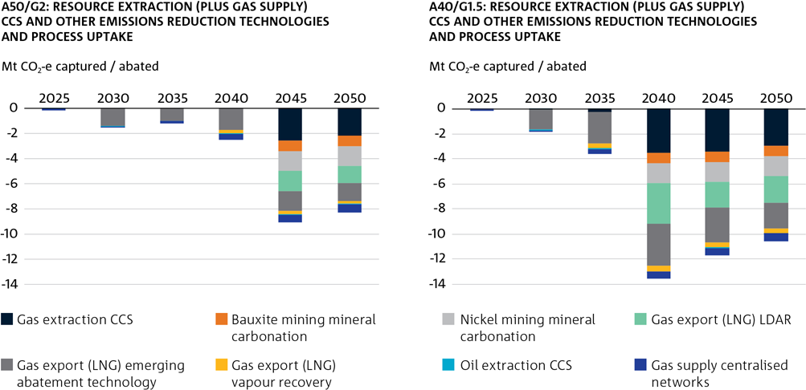
Figure 26 Resource extraction (plus Gas Supply) sector uptake of CCS and other emissions reducing processes and technologies

Mt CO2-e Captured / Abated |  |  |  |  |  |  | Mt CO2-e Captured / Abated
A50/G2: Resource Extraction (plus Gas Supply) CCS and other emissions reduction technologies and process uptake |  |  |  |  |  |  | A40/G1.5: Resource Extraction (plus Gas Supply) CCS and other emissions reduction technologies and process uptake

 | 2025 | 2030 | 2035 | 2040 | 2045 | 2050 |  | 2025 | 2030 | 2035 | 2040 | 2045 | 2050
Gas Extraction CCS | 0 | -4.1602503197E-08 | -9.0022644231E-08 | -3.7527397824E-07 | -2.5574372895 | -2.1944362946 | Gas Extraction CCS | 0 | -0.074113381903 | -0.24879941106 | -3.4882521867 | -3.371770309 | -2.9650143706
Bauxite Mining Mineral Carbonation | 0 | 0 | -8.8587588379E-09 | -1.630742062E-08 | -0.85999986872 | -0.85999998813 | Bauxite Mining Mineral Carbonation | 0 | 0 | -9.9748100844E-09 | -0.85999999722 | -0.85999984222 | -0.8599999895
Nickel Mining Mineral Carbonation | 0 | -9.2758528566E-09 | -1.249351163E-08 | -2.7073140576E-08 | -1.5539999614 | -1.5539999898 | Nickel Mining Mineral Carbonation | 0 | -7.952053008E-09 | -1.5973262996E-08 | -1.5539999974 | -1.5539999637 | -1.553999991
Gas Export (LNG) LDAR | 0 | -5.5753298192E-09 | -7.2321557689E-09 | -1.3141915347E-08 | -1.6100222277 | -1.3780280567 | Gas Export (LNG) LDAR | 0 | -4.7239838105E-09 | -7.9861463878E-09 | -3.2823680909 | -2.0684089433 | -2.0924600912
Gas Export (LNG) Emerging Abatement Technology | 0 | -1.4294618912 | -1.0100183201 | -1.73467007 | -1.610022429 | -1.3780280593 | Gas Export (LNG) Emerging Abatement Technology | 0 | -1.6165973727 | -2.5311820433 | -3.2823680913 | -2.7850205662 | -2.0924600935
Gas Export (LNG) Vapour Recovery | 0 | -2.7845830579E-07 | -6.0591774497E-07 | -0.26282430902 | -0.24394278663 | -0.20879212694 | Gas Export (LNG) Vapour Recovery | 0 | -3.1005783625E-07 | -0.38350953465 | -0.49732849672 | -0.42197280813 | -0.31703940525
Oil Extraction CCS | -0.01499929452 | -0.015579627173 | -0.024272358379 | -0.067281790665 | -0.087140782639 | -0.1082583986 | Oil Extraction CCS | -0.01499929452 | -0.01119422826 | -0.028408628852 | -0.030691028334 | -0.029411371077 | -0.024550756258
Gas Supply Centralised Networks | -0.12984865825 | -0.12377983214 | -0.17730130948 | -0.45523789617 | -0.54231543757 | -0.61870015529 | Gas Supply Centralised Networks | -0.12984865825 | -0.12321830617 | -0.37468282641 | -0.48638929032 | -0.5915017869 | -0.69002037856
Coal Mining VAM Oxidation (for fugitive methane) | -3.2736841514E-05 | -7.4139638436E-05 | -9.917268751E-05 | -3.0876519287E-05 | -2.1150187121 | -10.37103365 | Coal Mining VAM Oxidation (for fugitive methane) | -3.2736841514E-05 | -6.7018209337E-05 | -1.9381617099E-05 | -10.463461211 | -8.7609937859 | -6.1812028493

Fig 27
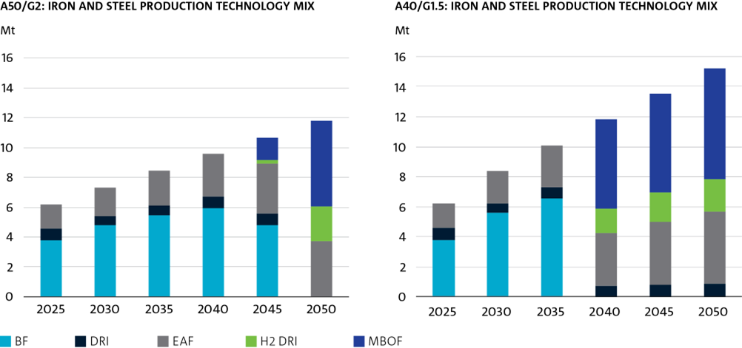
Figure 27 Iron and steel production technology mix

Mt |  |  |  |  |  |  | Mt
A50/G2: Iron and Steel Production Technology Mix |  |  |  |  |  |  | A40/G1.5: Iron and Steel Production Technology Mix

 | 2025 | 2030 | 2035 | 2040 | 2045 | 2050 |  |  | 2025 | 2030 | 2035 | 2040 | 2045 | 2050
BF | 3.7731713628 | 4.8057342399 | 5.484739526 | 5.9324730531 | 4.8279610331 | 0 |  | BF | 3.7731713628 | 5.5941077471 | 6.5259504019 | 0 | 1.0790632101E-06 | 0
DRI | 0.78007321972 | 0.62405857052 | 0.62405857234 | 0.78007319483 | 0.78007318711 | 0 |  | DRI | 0.78007321972 | 0.62405857007 | 0.78007319147 | 0.71657775262 | 0.78007320969 | 0.85449996275
EAF | 1.6572936967 | 1.8976682822 | 2.3355858171 | 2.848760088 | 3.3518811503 | 3.7110720262 |  | EAF | 1.6572936967 | 2.1732039727 | 2.793329899 | 3.517962839 | 4.2424448419 | 4.7896642437
H2 DRI | 0 | 0 | 0 | 0 | 0.22362971537 | 2.3600970721 |  | H2 DRI | 0 | 0 | 0 | 1.6459925065 | 1.9242256881 | 2.191528347
MBOF | 0 | 0 | 0 | 0 | 1.4946844982 | 5.7239826069 |  | MBOF | 0 | 0 | 0 | 5.9268034219 | 6.5685747308 | 7.3876108217

Fig 28
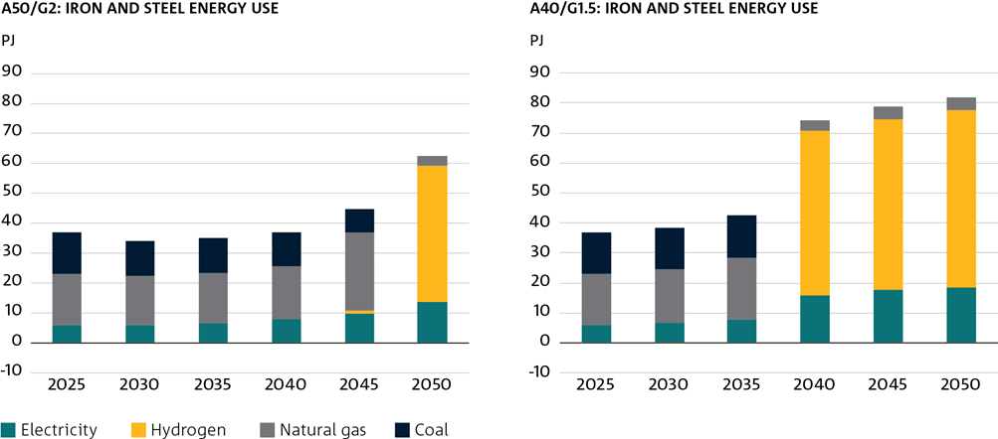
Figure 28 Iron and steel energy use by fuel type

PJ |  |  |  |  |  |  | PJ
A50/G2: Iron and Steel Energy Use |  |  |  |  |  |  | A40/G1.5: Iron and Steel Energy Use

 | 2025 | 2030 | 2035 | 2040 | 2045 | 2050 |  | 2025 | 2030 | 2035 | 2040 | 2045 | 2050
Electricity | 5.8917086337 | 5.8276285283 | 6.6125185073 | 7.8236381781 | 9.7474655967 | 13.503765617 | Electricity | 5.8917086337 | 6.4511295913 | 7.9146395375 | 15.737595947 | 17.807568744 | 18.5691386
Hydrogen | 0 | -1.3799606542E-06 | 0 | 0 | 1.0398861656 | 45.534743576 | Hydrogen | 0 | -0.00010142339133 | -2.4677710034E-06 | 54.988516514 | 56.807490458 | 58.958974185
Natural gas | 17.104275238 | 16.437128272 | 16.655357612 | 17.738086 | 26.0196347 | 3.2785308525 | Natural gas | 17.104275238 | 18.07677719 | 20.499262621 | 3.6195969534 | 4.04071965 | 4.1811735718
Coal | 13.83126856 | 11.719784793 | 11.830003822 | 11.206979484 | 7.7943020453 | 0 | Coal | 13.83126856 | 13.642397657 | 14.075784824 | 0 | 1.8450388455E-06 | 0

Fig 29
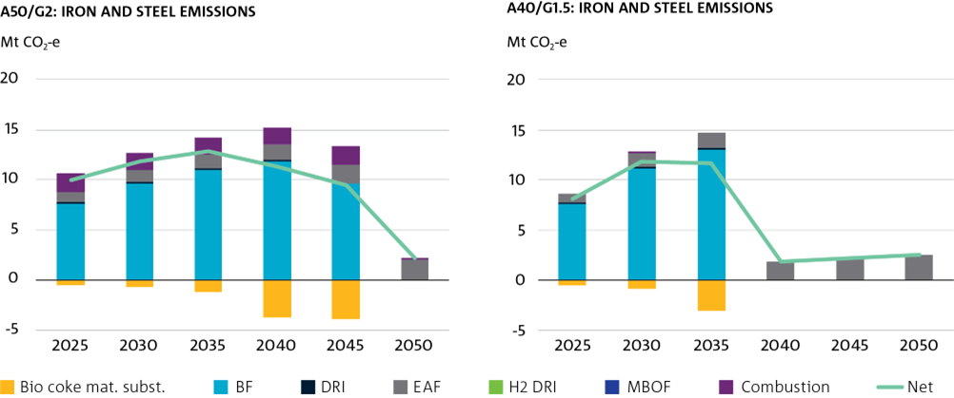
Figure 29 Iron and stee emissions by technology

Mt CO2-e |  |  |  |  |  |  | Mt CO2-e
A50/G2: Iron and Steel Emissions |  |  |  |  |  |  | A40/G1.5: Iron and Steel Emissions

 | 2025 | 2030 | 2035 | 2040 | 2045 | 2050 |  | 2025 | 2030 | 2035 | 2040 | 2045 | 2050
Bio Coke Mat. Subst. | -0.60857602351 | -0.75626571442 | -1.2564847576 | -3.8274019573 | -3.8935169583 | 0 | Bio Coke Mat. Subst. | -0.60857602351 | -0.84093545995 | -3.1577179273 | -3.4610375224E-08 | -1.1886150202E-06 | 0
BF | 7.5463427257 | 9.6114684798 | 10.969479052 | 11.864946106 | 9.6559220663 | 0 | BF | 7.5463427257 | 11.188215494 | 13.051900804 | 1.0918717228E-07 | 2.9564441226E-06 | 0
DRI | 0.16661450889 | 0.1889557668 | 0.096410450689 | 0.026546522117 | 1.0630960784E-07 | 1.0908629422E-07 | DRI | 0.16661450889 | 0.18888780414 | 0.089545803674 | 5.1032348827E-08 | 8.0671922746E-08 | 7.6632165493E-08
EAF | 0.97261662727 | 1.1379332311 | 1.3361709469 | 1.5468929476 | 1.7559649074 | 1.9410680762 | EAF | 0.97261662727 | 1.3031571991 | 1.598013409 | 1.9102732474 | 2.222507951 | 2.5052229846
H2 DRI | 0 | 1.7900690167E-05 | 0.048155069507 | 6.1952982906E-09 | 2.5018290284E-09 | 1.5363559963E-09 | H2 DRI | 0 | 0 | 0 | 0 | 0 | 1.3475401753E-09
MBOF | 0 | 3.6047206464E-05 | 0 | 0 | 4.0098582335E-09 | 0 | MBOF | 0 | 0 | 0 | 0 | 5.0186049086E-09 | 0
Combustion | 1.8576111116 | 1.6751156057 | 1.6941788633 | 1.7068690359 | 1.8986221476 | 0.17048360433 | Combustion | 0 | 1.8054063255E-05 | 4.5646830876E-09 | 0 | 2.5093067083E-09 | 2.6950907706E-09
Net | 9.9346089499 | 11.857261305 | 12.887909604 | 11.317852635 | 9.4169922461 | 2.1115517609 | Net | 8.0769978383 | 11.839343085 | 11.58174208 | 1.9102733355 | 2.2225097742 | 2.5052230455

Fig 30
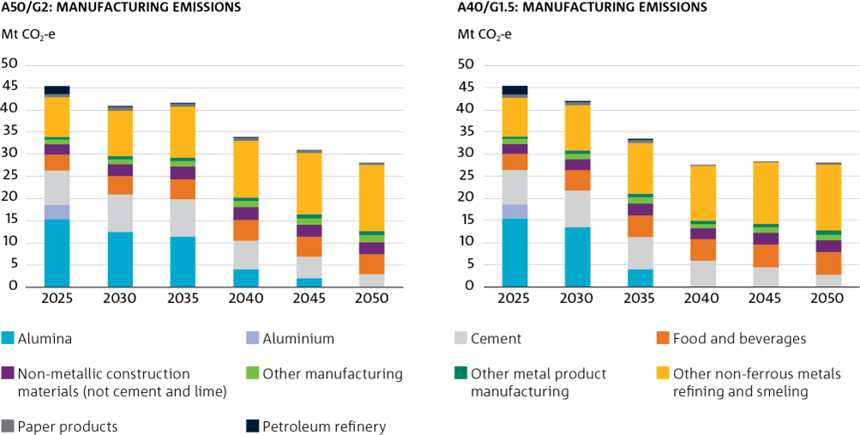
Figure 30 Manufactory emissions by industry

Mt CO2-e |  |  |  |  |  |  | Mt CO2-e
A50/G2: Manufacturing Emissions |  |  |  |  |  |  | A40/G1.5: Manufacturing Emissions

 | 2025 | 2030 | 2035 | 2040 | 2045 | 2050 |  | 2025 | 2030 | 2035 | 2040 | 2045 | 2050
Alumina | 15.430906676 | 12.532462064 | 11.469431172 | 4.0348131707 | 2.0828898936 | 0 | Alumina | 15.430906676 | 13.500733997 | 3.95888245 | 0 | 0.078056407595 | 0
Aluminium | 3.2172817301 | 0.00016125008823 | 0.00021741356522 | 6.7165388749E-08 | 2.8694083421E-08 | 1.7567839981E-08 | Aluminium | 3.2172817301 | 0.00016232061001 | 4.8713202004E-08 | 5.1523843816E-09 | 2.7684368235E-08 | 1.5402048119E-08
Cement | 7.6515343107 | 8.4309779246 | 8.4629510917 | 6.5730590195 | 4.7761957465 | 3.0131298004 | Cement | 7.6515343107 | 8.3363145301 | 7.399828578 | 5.928340326 | 4.5038251379 | 2.87976584
Food & beverages | 3.6888360271 | 4.1373488586 | 4.4176898327 | 4.565170969 | 4.5391602518 | 4.5016512335 | Food & beverages | 3.6888360271 | 4.4791889986 | 4.8789711678 | 4.8234888127 | 5.0434174185 | 5.130330925
Non-metallic construction materials (not cement and lime) | 2.3459369446 | 2.6195431166 | 2.832615064 | 2.920253644 | 2.803407206 | 2.7394140069 | Non-metallic construction materials (not cement and lime) | 2.3459369446 | 2.5873249433 | 2.7485774225 | 2.5610771185 | 2.6537480961 | 2.6017261378
Other manufacturing | 1.068789158 | 1.1700795153 | 1.3017214488 | 1.3930796785 | 1.4514537524 | 1.5187038426 | Other manufacturing | 1.068789158 | 1.1946512117 | 1.3056738123 | 0.8412102033 | 1.1161286399 | 1.3124653395
Other metal product manufacturing | 0.55563713373 | 0.63011750832 | 0.71361726339 | 0.7905476089 | 0.85665639678 | 0.92707315006 | Other metal product manufacturing | 0.55563713373 | 0.63212406404 | 0.71241914887 | 0.77133460139 | 0.85251307725 | 0.92225718949
Other non-ferrous metals refining and smeling | 8.867724398 | 10.354336489 | 11.563897884 | 12.713327747 | 13.813915602 | 14.891324169 | Other non-ferrous metals refining and smeling | 8.867724398 | 10.357940502 | 11.569275946 | 12.580391984 | 13.822657318 | 14.901629394
Paper products | 0.70323129266 | 0.78369989466 | 0.77304379013 | 0.73477197114 | 0.66023393611 | 0.58435524299 | Paper products | 0.70323129266 | 0.78628838543 | 0.77664763281 | 0.017944978564 | 0.14220028099 | 0.26358977093
Petroleum refinery | 1.8876069144 | 0.094620831967 | 2.4156226748E-05 | 0.013273375821 | 5.0036084343E-09 | 4.6090166212E-09 | Petroleum refinery | 1.8876069144 | 0.095042015819 | 0.044897207808 | 0 | 7.5274734206E-09 | 4.0426606739E-09

Fig 31
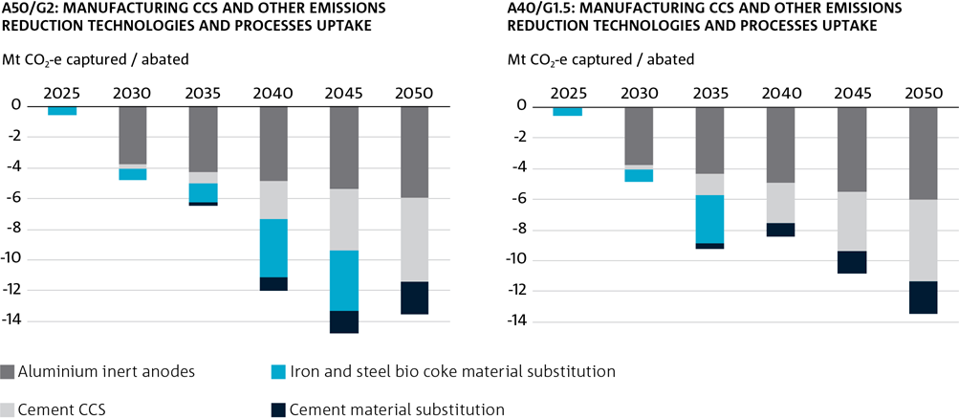
Figure 31 Manufacturing uptake of CCS and other emission reducing technologies and processes

Mt CO2-e Captured / Abated |  |  |  |  |  |  | Mt CO2-e Captured / Abated
A50/G2: Manufacturing CCS and other emissions reduction technologies and processes uptake |  |  |  |  |  |  | A40/G1.5: Manufacturing CCS and other emissions reduction technologies and processes uptake

 | 2025 | 2030 | 2035 | 2040 | 2045 | 2050 |  | 2025 | 2030 | 2035 | 2040 | 2045 | 2050
Iron and Steel (BF) CCS | 0 | 0 | 0 | -1.0549256579E-09 | -2.6763248862E-09 | 0 | Iron and Steel (BF) CCS | 0 | 0 | 0 | -2.3178404323E-08 | -1.5400785237E-08 | 0
Iron and Steel (DRI) CCS | 0 | -1.2018982446E-08 | -2.1317208902E-08 | -2.4289138105E-08 | -2.7037507726E-08 | -3.0244633733E-08 | Iron and Steel (DRI) CCS | 0 | -6.3205622773E-09 | -1.3297037077E-08 | -1.4314410487E-08 | -1.7452934696E-08 | -1.9758959736E-08
Aluminium Inert Anodes | 0 | -3.7617588553 | -4.3062359994 | -4.8507131473 | -5.3951902997 | -5.9396674493 | Aluminium Inert Anodes | 0 | -3.7966551247 | -4.3605190875 | -4.9243830568 | -5.488247015 | -6.0521109793
Cement CCS | 0 | -0.27223477033 | -0.69236492451 | -2.4861727676 | -3.9895300657 | -5.4697646006 | Cement CCS | 0 | -0.25421885026 | -1.3879121211 | -2.6369940504 | -3.8722333324 | -5.2932924306
Iron and Steel Bio Coke Material Substitution | -0.60857602351 | -0.75626571442 | -1.2564847576 | -3.8274019573 | -3.8935169583 | 0 | Iron and Steel Bio Coke Material Substitution | -0.60857602351 | -0.84093545995 | -3.1577179273 | -3.4610375224E-08 | -1.1886150202E-06 | 0
Cement Mat. Subst. | 0 | 0 | -0.18499987437 | -0.84055078623 | -1.4865274707 | -2.148388542 | Cement Mat. Subst. | 0 | 0 | -0.36497364643 | -0.89484160606 | -1.4428225757 | -2.0790753078

Fig 32
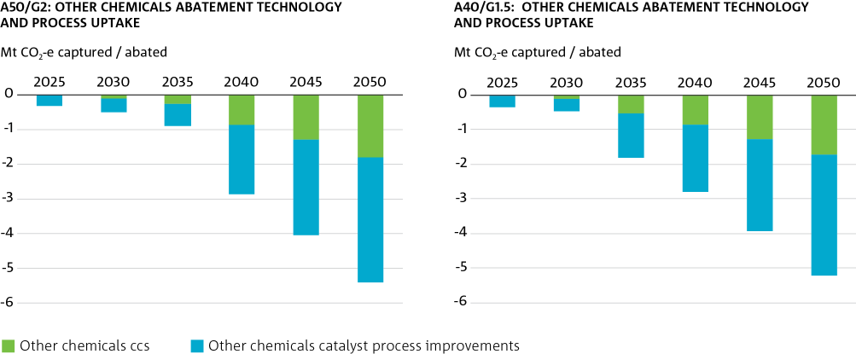
Figure 32 Other Chemicals abatement technology and process uptake

Mt CO2-e Captured / Abated |  |  |  |  |  |  | Mt CO2-e Captured / Abated
A50/G2: Other Chemicals abatement technology and process uptake |  |  |  |  |  |  | A40/G1.5: Other Chemicals abatement technology and process uptake

 | 2025 | 2030 | 2035 | 2040 | 2045 | 2050 |  | 2025 | 2030 | 2035 | 2040 | 2045 | 2050
Other Chemicals CCS | 0 | -0.11512647245 | -0.25935523356 | -0.8856956764 | -1.3089852346 | -1.7941698454 | Other Chemicals CCS | 0 | -0.10880608701 | -0.51614400707 | -0.86406840805 | -1.2704040978 | -1.7358962508
Other Chemicals Catalyst Process Improvements | -0.33651101438 | -0.38107795215 | -0.64166076466 | -1.980886793 | -2.7446464756 | -3.6114902771 | Other Chemicals Catalyst Process Improvements | -0.33651101438 | -0.34869532687 | -1.2986665207 | -1.9325400981 | -2.6637505411 | -3.4941911696

Fig 33
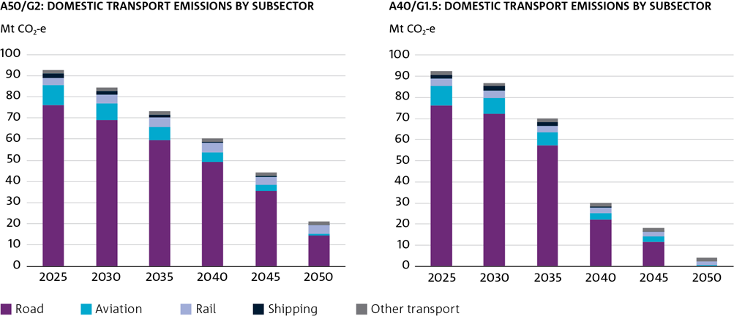
Figure 33 Transport sector emissions by transport mode

Mt CO2-e |  |  |  |  |  |  | Mt CO2-e
A50/G2: Domestic Transport Emissions by Subsector |  |  |  |  |  |  | A40/G1.5: Domestic Transport Emissions by Subsector

 | 2025 | 2030 | 2035 | 2040 | 2045 | 2050 |  | 2025 | 2030 | 2035 | 2040 | 2045 | 2050
Road | 76.012967534 | 69.025087681 | 59.681941984 | 49.388079589 | 35.445353338 | 14.335583613 | Road | 76.012967534 | 72.137026059 | 57.410864463 | 22.357711484 | 11.447484414 | 1.0284546413E-06
Aviation | 9.3574111153 | 7.723528896 | 6.0896466718 | 4.4557644474 | 2.821882221 | 1.1879999839 | Aviation | 9.3574111153 | 7.5740362528 | 5.9775271859 | 2.7504363106 | 2.6004925095 | 0.76484262734
Rail | 3.4594073778 | 4.1036126739 | 4.4457526671 | 4.3242693397 | 4.0985166641 | 3.7772043246 | Rail | 3.4594073778 | 3.6178243993 | 3.2835927364 | 2.6418688838 | 2.1890736756 | 1.7609247751
Shipping | 1.9740327879 | 1.8938072032 | 1.4676303868 | 0.61092596341 | 0.065519885516 | 0.03097263885 | Shipping | 1.9740327879 | 1.9789069065 | 1.5134416962 | 0.56791670372 | 0.081392778929 | 4.862824111E-08
Other Transport | 1.6569364554 | 1.6569364554 | 1.6569364554 | 1.6569364554 | 1.6569364554 | 1.6569364554 | Other Transport | 1.6569364554 | 1.6569364554 | 1.6569364552 | 1.6569364552 | 1.6569364556 | 1.6569364555

Fig 34
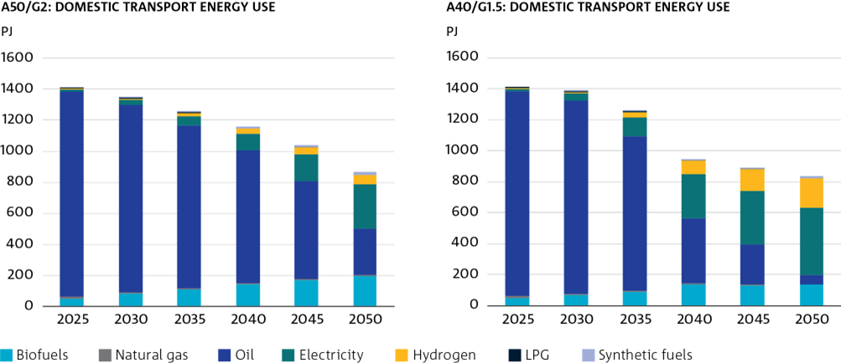
Figure 34 Domestic transport energy consumption by fuel type

PJ |  |  |  |  |  |  | PJ
A50/G2: Domestic Transport Energy Use |  |  |  |  |  |  | A40/G1.5: Domestic Transport Energy Use

 | 2025 | 2030 | 2035 | 2040 | 2045 | 2050 |  | 2025 | 2030 | 2035 | 2040 | 2045 | 2050
Biofuels | 53.443137339 | 84.227071307 | 112.45339837 | 142.53891384 | 172.09126121 | 201.02399143 | Biofuels | 53.443137339 | 72.109154598 | 92.739505887 | 134.87129156 | 134.41677321 | 135.53660313
Natural gas | 8.8739713844 | 7.9422226643 | 6.9827705179 | 6.2733480983 | 5.9471494119 | 6.1658529852 | Natural gas | 8.8739713844 | 8.0733307232 | 6.966588487 | 9.4877703176 | 5.9157097633 | 5.4448407803
Oil | 1323.2037981 | 1206.1001979 | 1046.4766599 | 860.99297136 | 626.89661615 | 295.38944649 | Oil | 1323.2037981 | 1242.7197972 | 996.30585826 | 422.34849434 | 252.54564478 | 55.00555665
Electricity | 14.9385309 | 32.43662445 | 58.842404361 | 101.61024775 | 172.97460776 | 282.97922461 | Electricity | 14.9385309 | 50.308482952 | 122.96374304 | 281.66031167 | 349.57218671 | 433.81383114
Hydrogen | 2.6663253808 | 8.0405740593 | 20.434921104 | 31.937431751 | 47.864089311 | 62.75628807 | Hydrogen | 2.6663253808 | 4.73822388 | 31.45446217 | 88.515214594 | 141.1379217 | 190.61548798
LPG | 10.793064176 | 7.8517106798 | 5.2151973085 | 3.0522009575 | 1.4683595067 | 0.49946201997 | LPG | 10.793064176 | 7.8452175551 | 5.2670896611 | 1.3102556065 | 0.46361795898 | 0
Synthetic fuels | 0 | 0.06253710358 | 6.0894023694 | 10.230660395 | 14.944416394 | 20.24610129 | Synthetic fuels | 0 | 0.033678747465 | 2.5637887264 | 8.1987194315 | 9.1028097945 | 14.59702969

Fig 35
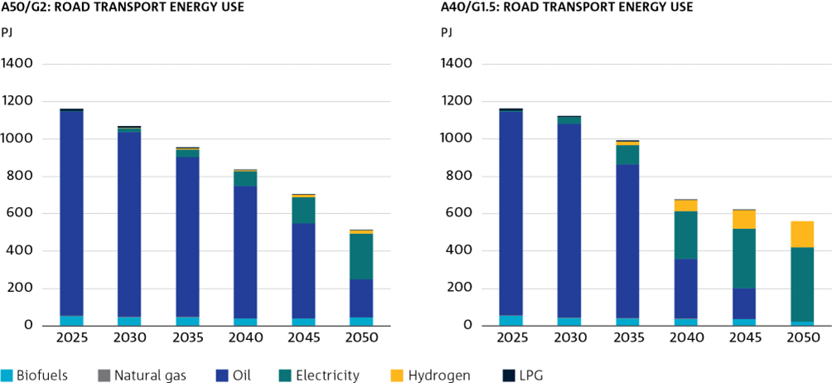
Figure 35 Energy consumption in road transport by fuel type

PJ |  |  |  |  |  |  | PJ
A50/G2: Road Transport Energy Use |  |  |  |  |  |  | A40/G1.5: Road Transport Energy Use

 | 2025 | 2030 | 2035 | 2040 | 2045 | 2050 |  | 2025 | 2030 | 2035 | 2040 | 2045 | 2050
Biofuels | 52.061947399 | 45.808867685 | 45.926906597 | 40.654553994 | 39.279222043 | 44.665703057 | Biofuels | 52.061947399 | 42.548459883 | 39.964958669 | 37.801624875 | 36.837839106 | 22.602968069
Natural gas | 3.4291495025 | 2.4974007824 | 1.537948636 | 0.82852621648 | 0.50232752999 | 0.2697824154 | Natural gas | 3.4291495025 | 2.4974011022 | 1.5217666052 | 0.77894513539 | 0.4708878812 | 1.8898330561E-05
Oil | 1092.2022303 | 990.50557864 | 855.55962085 | 707.54532916 | 507.95661714 | 205.34756236 | Oil | 1092.2022303 | 1035.1017431 | 822.97035818 | 320.48680537 | 163.87622552 | 0
Electricity | 3.3911782727 | 19.596033006 | 42.181780294 | 77.890407075 | 141.1914339 | 242.1579674 | Electricity | 3.3911782727 | 36.773312654 | 103.10156194 | 256.06302916 | 318.57329953 | 397.69216844
Hydrogen | 0.37652994985 | 3.2422471172 | 5.4025495881 | 6.5318698842 | 13.023746926 | 19.504705968 | Hydrogen | 0.37652994985 | 0.19290524914 | 19.5115232 | 59.402834335 | 99.390845191 | 139.42791369
LPG | 10.793064176 | 7.8517106798 | 5.2151973085 | 3.0522009575 | 1.4683595067 | 0.49946201997 | LPG | 10.793064176 | 7.8452175551 | 5.2670896611 | 1.3102556065 | 0.46361795898 | 0

Fig 36
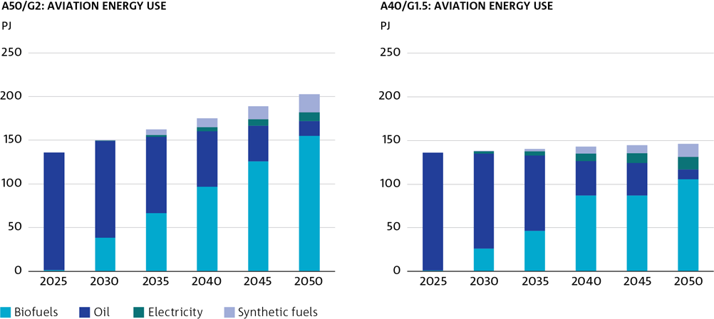
Figure 36 Fuel consumption in domestic aviation by fuel type

PJ |  |  |  |  |  |  | PJ
A50/G2: Aviation Energy Use |  |  |  |  |  |  | A40/G1.5: Aviation Energy Use

 | 2025 | 2030 | 2035 | 2040 | 2045 | 2050 |  | 2025 | 2030 | 2035 | 2040 | 2045 | 2050
Biofuels | 1.3659201539 | 38.305506286 | 66.479995309 | 96.539145333 | 126.09159495 | 155.02292251 | Biofuels | 1.3659201539 | 26.286164228 | 46.737574501 | 86.866768234 | 86.866768446 | 105.79304826
Oil | 134.445562 | 110.97023272 | 87.494896711 | 64.01960413 | 40.544284784 | 17.068965285 | Oil | 134.445562 | 108.82235793 | 85.884008689 | 39.51775965 | 37.363393595 | 10.989112244
Electricity | 0 | 0.35603307819 | 2.3197725473 | 4.59335791 | 7.19129843 | 10.123051447 | Electricity | 0 | 2.2892379623 | 5.2669620867 | 8.3370152603 | 11.46301512 | 14.597687675
Synthetic fuels | 0 | 0.06253710358 | 6.0894023694 | 10.230660395 | 14.944416394 | 20.24610129 | Synthetic fuels | 0 | 0.033678747465 | 2.5637887264 | 8.1987194315 | 9.1028097945 | 14.59702969

Fig 37
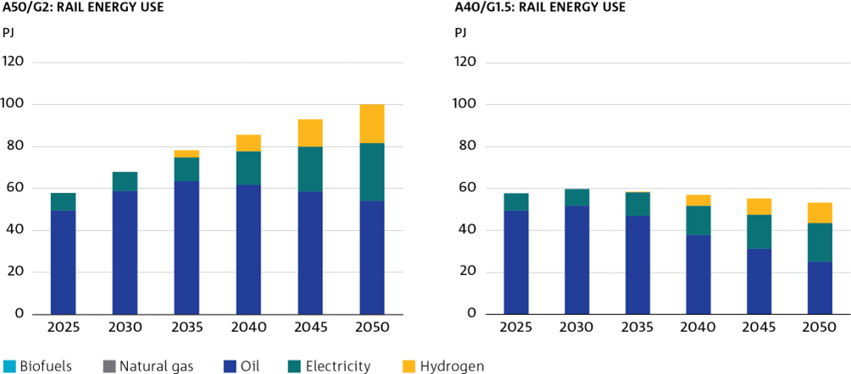
Figure 37 Energy consumption in domestic rail by fuel type

PJ |  |  |  |  |  |  | PJ
A50/G2: Rail Energy Use |  |  |  |  |  |  | A40/G1.5: Rail Energy Use

 | 2025 | 2030 | 2035 | 2040 | 2045 | 2050 |  | 2025 | 2030 | 2035 | 2040 | 2045 | 2050
Biofuels | 0.000651791751 | 0.00065179438931 | 0.00065179720362 | 0.0006518023578 | 0.00065181406916 | 0.00065184025584 | Biofuels | 0.000651791751 | 0.00065123458902 | 0.00065180397879 | 0.00065231165701 | 0.00065232136428 | 0.00065234376665
Natural gas | 0 | 0 | 0 | 0 | 0 | 0.050705577545 | Natural gas | 0 | 0.014598129765 | 0 | 0.033567430719 | 0 | 0
Oil | 49.490803103 | 58.706902785 | 63.601608901 | 61.863648349 | 58.633988269 | 53.999963578 | Oil | 49.490803103 | 51.74643679 | 46.975574214 | 37.770292461 | 31.317217684 | 25.192053364
Electricity | 8.3321835438 | 9.2693892823 | 11.125682436 | 15.911313686 | 21.37670635 | 27.483036681 | Electricity | 8.3321835438 | 8.0307632517 | 11.380049927 | 14.045098166 | 16.320702977 | 18.308805941
Hydrogen | 0 | 0 | 3.5850397849 | 7.8576540504 | 12.803195223 | 18.41786558 | Hydrogen | 0 | 0 | 0.0019144209598 | 5.207083509 | 7.5450390641 | 9.69501021

Fig 38
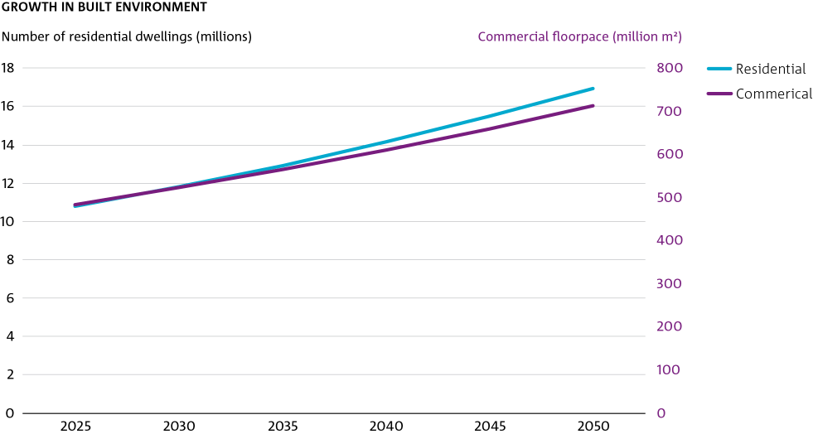
Figure 38 Built environment (residential and construction) growth

Number of residential dwellings (millions)
Growth in Built Environment

 | 2025 | 2030 | 2035 | 2040 | 2045 | 2050
Residential | 10.8054 | 11.8072 | 12.9109 | 14.1433 | 15.4801 | 16.9202
Commerical | 484.1794 | 523.0198 | 564.9773 | 610.3323 | 659.3934 | 712.4982

Fig 39
Figure 39 Built environment sector emissions

Mt CO2-e |  |  |  |  |  |  | Mt CO2-e
A50/G2: Built Environment Emissions |  |  |  |  |  |  | A40/G1.5: Built Environment Emissions

 | 2025 | 2030 | 2035 | 2040 | 2045 | 2050 |  | 2025 | 2030 | 2035 | 2040 | 2045 | 2050
Residential Scope 1 | 9 | 7 | 5 | 4 | 1 | 0 | Residential Scope 1 | 9 | 7 | 5 | 3 | 1 | 0
Residential Scope 2 | 37.953250344 | 14.133307513 | 4.6341113484 | 4.1112300704 | 1.7772240639 | 0.58009446917 | Residential Scope 2 | 37.274957633 | 11.805056933 | 3.1014152331 | 0.58892247951 | 0.48572385015 | 0.30499414466
Commercial Scope 1 | 4 | 4 | 3 | 2 | 2 | 1 | Commercial Scope 1 | 4 | 4 | 3 | 2 | 2 | 1
Commercial Scope 2 | 27.791564028 | 9.9022745666 | 2.9835407228 | 2.443078289 | 0.95437070323 | 0.30445519355 | Commercial Scope 2 | 27.294878891 | 9.8621481903 | 2.0722864582 | 0.34248119542 | 0.28113948614 | 0.17259785007

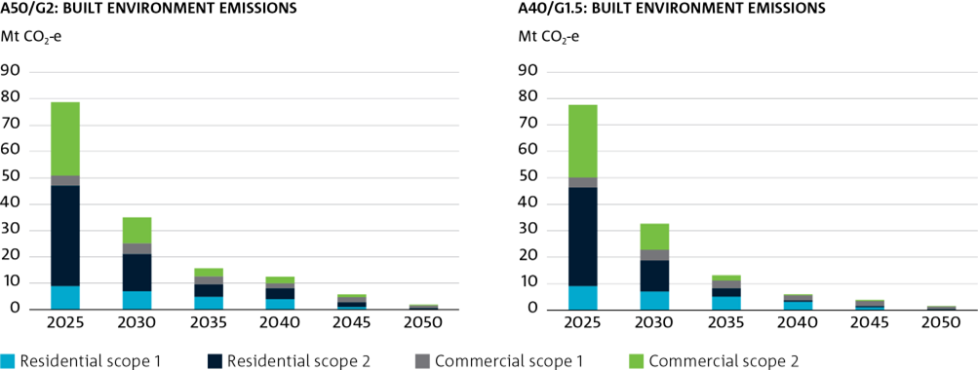

Note: Scope 1 emissions results are generated by the AusTIMES based on the use of fossil fuels such as natural gas and oil. Conversely, scope 2 emissions are calculated manually using the electricity sector’s emissions intensity and buildings electricity consumption results produced by the model.

Fig 40
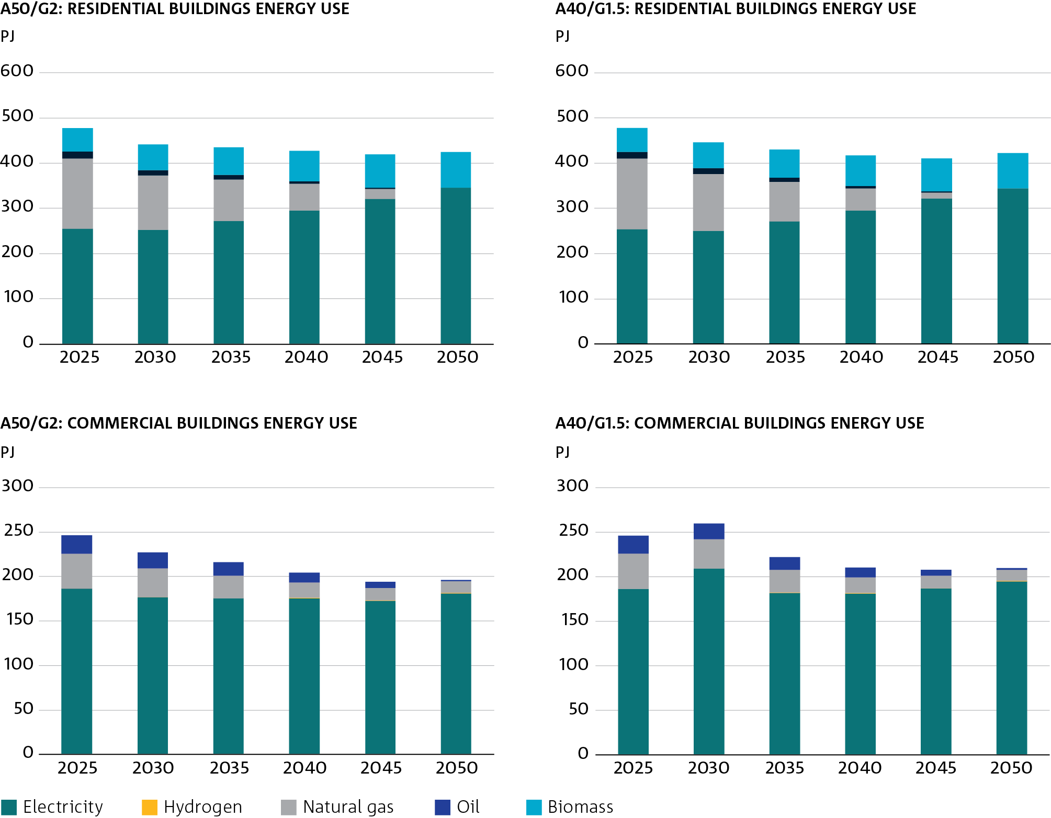
Figure 40 Buidings energy consumption by fuel type

PJ |  |  |  |  |  |  | PJ
A50/G2: Residential Buildings Energy Use |  |  |  |  |  |  | A40/G1.5: Residential Buildings Energy Use

 | 2025 | 2030 | 2035 | 2040 | 2045 | 2050 |  | 2025 | 2030 | 2035 | 2040 | 2045 | 2050
Electricity | 254.76140797 | 252.40082077 | 272.56243062 | 295.4001449 | 321.74779944 | 345.65047025 | Electricity | 254.76140797 | 250.3323211 | 271.91986057 | 295.31564999 | 322.06015767 | 343.75324854
Hydrogen | 0 | 0 | 0 | 0 | 0 | 0 | Hydrogen | 0 | 0 | 0 | 0 | 0 | 0
Natural gas | 155.49192262 | 120.09554658 | 91.595561845 | 58.835665099 | 21.737083175 | 0 | Natural gas | 155.49192262 | 126.29231673 | 87.231198628 | 48.443659693 | 12.416275303 | 0
LPG | 15.328627192 | 12.186775193 | 9.447229036 | 6.3178163481 | 2.8087307705 | 0 | LPG | 15.328627192 | 12.186774996 | 9.4472279461 | 6.31423679 | 2.8087304805 | 0
Biomass | 52.300525093 | 56.700020745 | 61.526602187 | 66.880252528 | 72.660722749 | 78.868483777 | Biomass | 52.300525093 | 56.697763715 | 61.52354128 | 66.876097089 | 72.655072423 | 78.860800394

PJ |  |  |  |  |  |  | PJ
A50/G2: Commercial Buildings Energy Use |  |  |  |  |  |  | A40/G1.5: Commercial Buildings Energy Use

 | 2025 | 2030 | 2035 | 2040 | 2045 | 2050 |  | 2025 | 2030 | 2035 | 2040 | 2045 | 2050
Electricity | 186.55369195 | 176.83683051 | 175.47507719 | 175.54391019 | 172.78391681 | 181.41053328 | Electricity | 186.55369195 | 209.06479326 | 181.75590806 | 181.21922647 | 186.71274139 | 194.87974972
Hydrogen | 0 | 0.26274503261 | 0.26274509532 | 0.39301543022 | 0.39301548385 | 0.39301537561 | Hydrogen | 0 | 0.20052404714 | 0.39204083432 | 0.39204111394 | 0.39204113359 | 0.39204102566
Natural gas | 39.433059284 | 32.45750204 | 25.623355652 | 17.613934845 | 14.152486769 | 12.735625941 | Natural gas | 39.433059284 | 32.518627031 | 25.492731221 | 17.421986589 | 14.149468117 | 12.736560289
Oil | 20.150873742 | 17.633308009 | 14.606392773 | 11.005432844 | 6.7573885303 | 1.7799978771 | Oil | 20.150873742 | 17.633307911 | 14.606392548 | 11.00543205 | 6.7573883981 | 1.7799978196

Fig 41
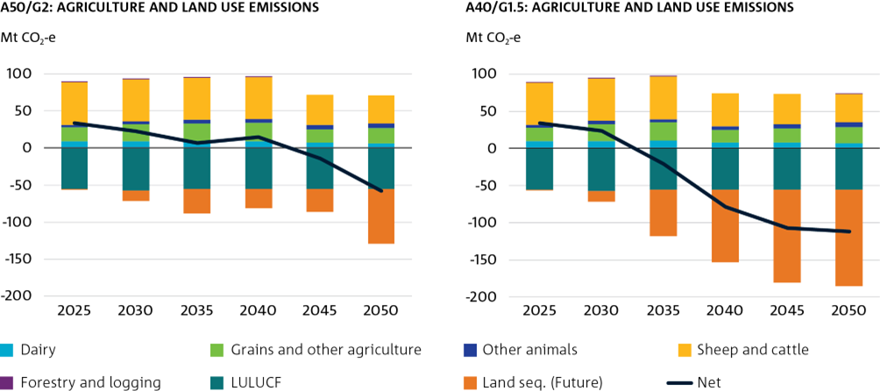
Figure 41 Land and agriculture emissions by subsector

Mt CO2-e |  |  |  |  |  |  | Mt CO2-e
A50/G2: Agriculture and Land Use Emissions |  |  |  |  |  |  | A40/G1.5: Agriculture and Land Use Emissions

 | 2025 | 2030 | 2035 | 2040 | 2045 | 2050 |  | 2025 | 2030 | 2035 | 2040 | 2045 | 2050
Dairy | 9.84187416 | 9.8839880442 | 9.863466265 | 9.8989932488 | 7.2020867585 | 6.666757653 | Dairy | 9.84187416 | 10.185862237 | 10.354865237 | 8.087237516 | 7.6371140942 | 7.2896228683
Grains and other agriculture | 18.324725594 | 22.301610163 | 23.767077057 | 24.726168806 | 18.525976437 | 21.014586351 | Grains and other agriculture | 18.324725594 | 22.836420312 | 24.819240502 | 17.252570124 | 19.094661895 | 21.712420866
Other animals | 3.1693633919 | 3.7844874454 | 4.2864256144 | 4.7482921606 | 5.304168025 | 5.8852170411 | Other animals | 3.1693633919 | 3.945950472 | 4.5265409532 | 4.5802664209 | 5.7876061696 | 6.4713253955
Sheep and cattle | 57.517374621 | 57.607212055 | 57.465164629 | 56.829051455 | 40.919261599 | 37.771120994 | Sheep and cattle | 57.517374621 | 57.586501997 | 57.089616221 | 44.055782305 | 40.918086769 | 37.771540922
Forestry and logging | 0.45275135206 | 0.43056610587 | 0.23754831745 | 0.027606806363 | 0 | 1.3006509194E-07 | Forestry and logging | 0.45275135206 | 0.36823308779 | 0.10746980067 | 0 | 1.1831198749E-07 | 0.00015211644539
LULUCF | -55.22155 | -57.03929 | -55.80083 | -55.80083 | -55.80083 | -55.80083 | LULUCF | -55.22155 | -57.03929 | -55.80083 | -55.80083 | -55.80083 | -55.80083
Land seq. (Future) | -0.017700000003 | -13.789099982 | -32.404099986 | -25.1329 | -30.031 | -73.556 | Land seq. (Future) | -0.017700000003 | -14.421999985 | -62.036999988 | -97.285999993 | -124.716 | -129.472
Net | 34.066839119 | 23.179473831 | 7.414751896 | 15.296382476 | -13.88033718 | -58.019147831 | Net | 34.066839119 | 23.461678121 | -20.940097275 | -79.110973626 | -107.07936095 | -112.02776783

Fig 42
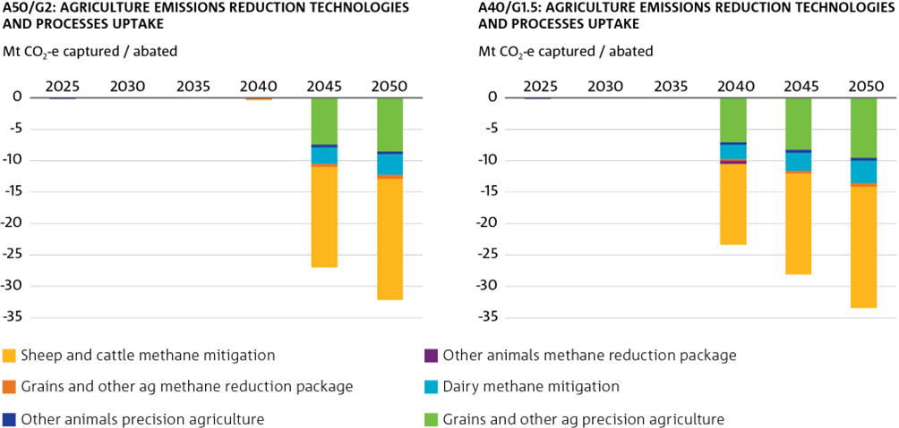
Figure 42 Agriculture emissions reductions technology and process uptake

Mt CO2-e Captured / Abated |  |  |  |  |  |  | Mt CO2-e Captured / Abated
A50/G2: Agriculture emissions reduction technologies and processes uptake |  |  |  |  |  |  | A40/G1.5: Agriculture emissions reduction technologies and processes uptake

 | 2025 | 2030 | 2035 | 2040 | 2045 | 2050 |  | 2025 | 2030 | 2035 | 2040 | 2045 | 2050
Grains and Other Ag Precision Agriculture | 0 | -9.065969109E-09 | -1.957137549E-08 | -4.7442229225E-07 | -7.4437718167 | -8.4917492804 | Grains and Other Ag Precision Agriculture | 0 | -7.928559486E-09 | -3.1643113331E-08 | -7.0654466193 | -8.2896483323 | -9.5138500672
Other Animals Precision Agriculture | -0.16181246064 | -8.5058601224E-09 | -1.7132261841E-08 | -4.3932482403E-07 | -0.4370179982 | -0.46393324788 | Other Animals Precision Agriculture | -0.16181246064 | -7.3217470403E-09 | -2.5704176115E-08 | -0.39212792695 | -0.41431292787 | -0.43649795146
Dairy Methane Mitigation | 0 | -1.0500047351E-09 | -1.001095622E-08 | -2.1416533855E-08 | -2.6626372545 | -3.3106696459 | Dairy Methane Mitigation | 0 | 0 | -1.1284527661E-08 | -2.304345773 | -2.9511698849 | -3.624170951
Grains and Other Ag Methane Reduction Package | 0 | 0 | -0.06436925289 | -0.27640835807 | -0.43598421183 | -0.60747197387 | Grains and Other Ag Methane Reduction Package | 0 | 0 | -0.12467447019 | -0.26895022337 | -0.41333285057 | -0.57154832787
Other Animals Methane Reduction Package | 0 | 0 | 0 | 0 | 0 | -1.9850679849E-08 | Other Animals Methane Reduction Package | 0 | 0 | 0 | -0.52356791339 | 0 | -1.5764135597E-08
Sheep and Cattle Methane Mitigation | 0 | -8.2213128719E-09 | -1.2528208803E-08 | -3.6830350247E-08 | -16.043483331 | -19.325043935 | Sheep and Cattle Methane Mitigation | 0 | -1.1134650924E-09 | -1.5702997022E-08 | -12.777690353 | -16.043483345 | -19.325043937

